13 Dec @ 14.06
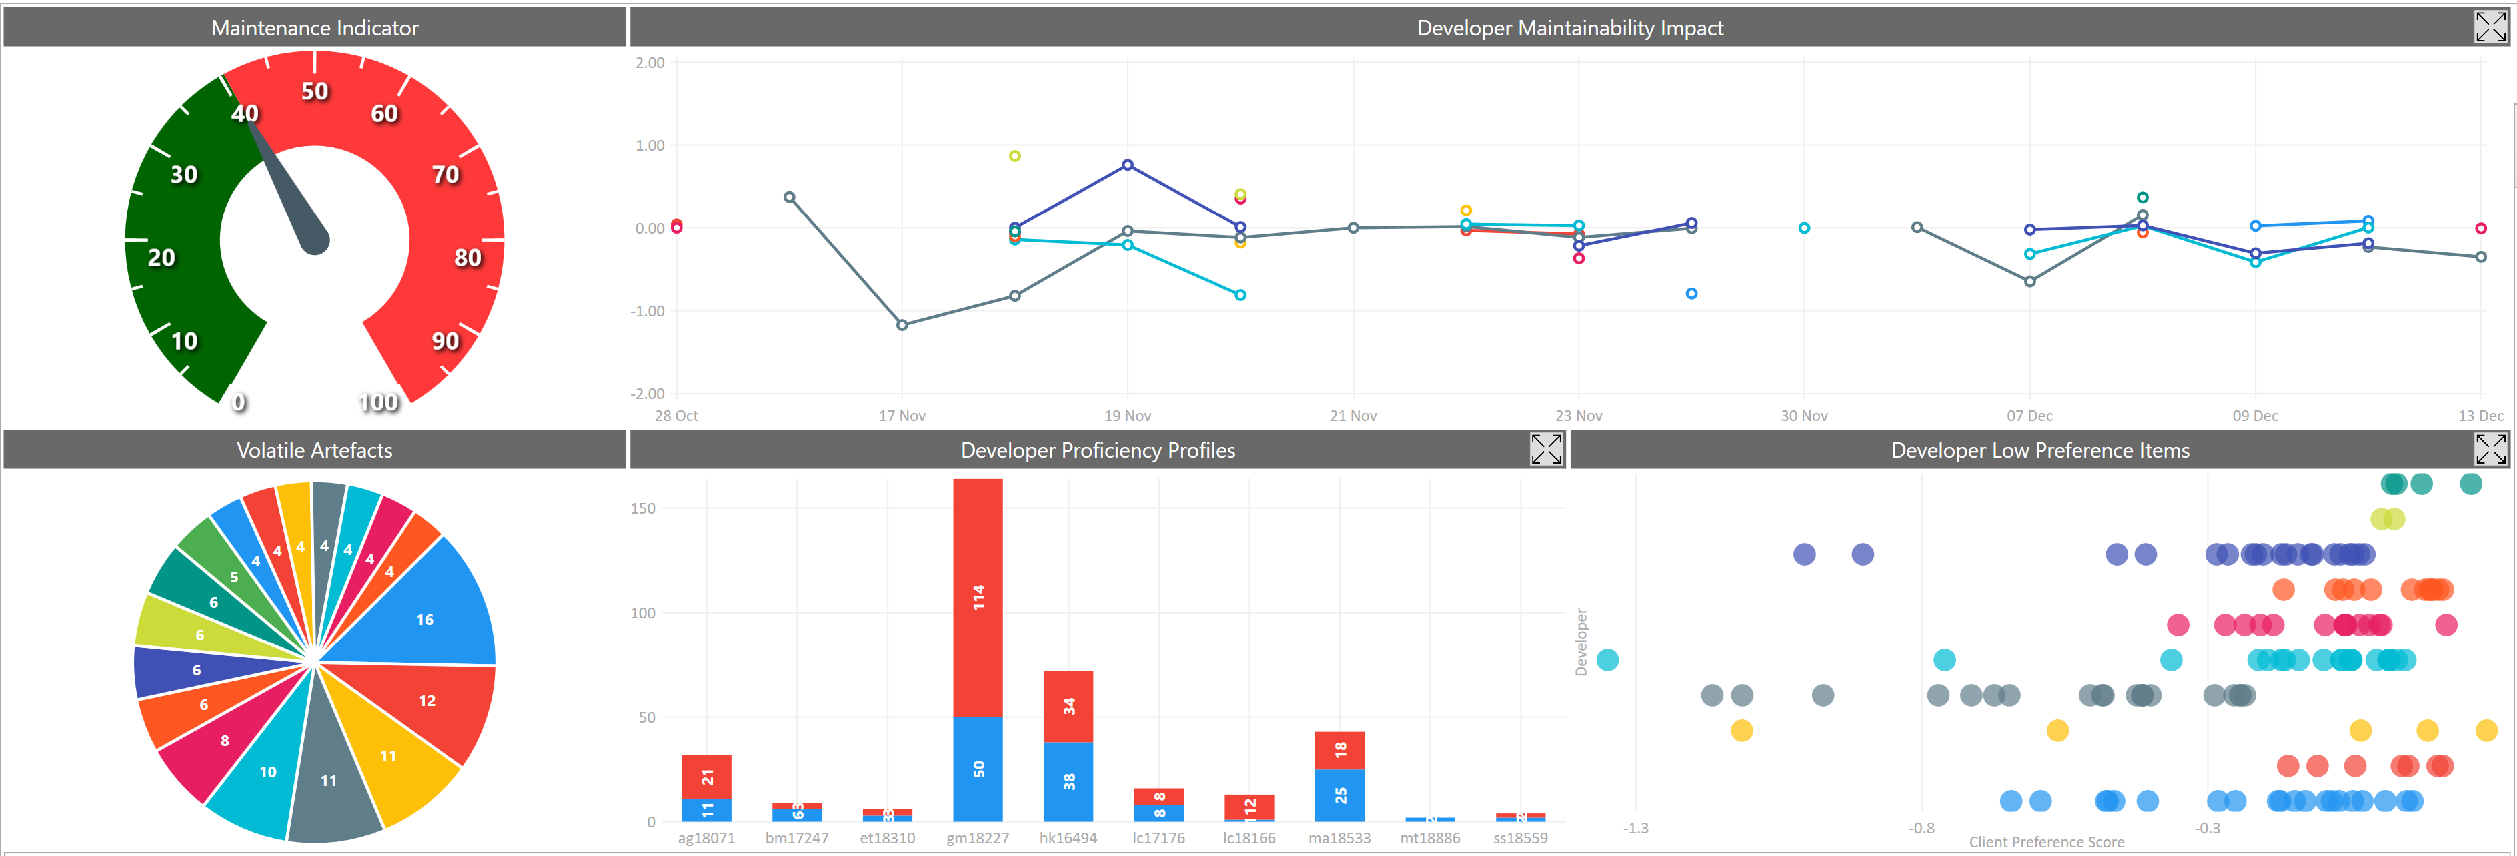

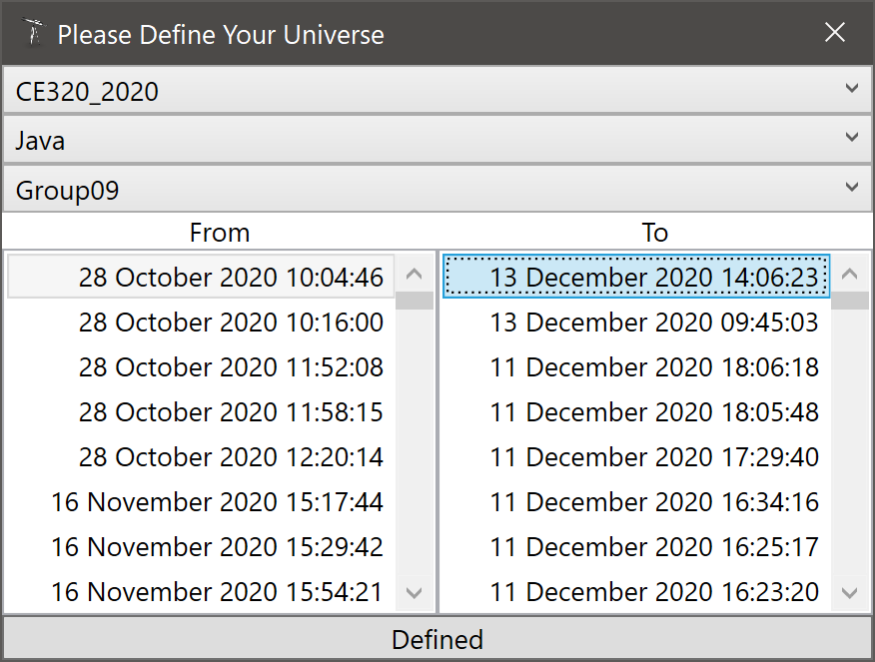
10 Worst Client Preference Scores
Artefact | CPS
.Group09\trunk\src\group9\CustomComponents\CustomJPanel.java.CustomJButton.CustomJButton( String type) | -1.399403516
.Group09\trunk\src\group9\CollageGenerators\CollageGenerator.java.CollageGenerator.drawAllImagesOntoCollageFrame() | -0.94140469902
.Group09\trunk\src\group9\RandomCollageGenerator\BinaryTreeBufferedImage.java.BinaryTreeBufferedImage.insertImage( Point point BufferedImage image) | -0.92185495633
.Group09\trunk\src\group9\ButtonHandling\LoadImageButtonHandler.java.LoadImageButtonHandler.getFiles( File [ ] directory) | -0.62813780703
.Group09\trunk\src\group9\CollageGenerators\CollageGenerator.java.CollageGenerator.addAllImagesOfCollageIntoArray() | -0.62673074477
.Group09\trunk\src\group9\UnitTests\ImageTesting.java.ImageTesting.compare( InputStream in InputStream in1) | -0.60965007453
.Group09\trunk\src\group9\CustomComponents\CustomJPanel.java.CustomListRenderer.getListCellRendererComponent( JList list Object value int index boolean isSelected boolean cellHasFocus) | -0.51155524749
.Group09\trunk\src\group9\HomepageWindow\MenuBar.java.CustomJMenuItem.CustomJMenuItem( String text) | -0.50993592712
.Group09\trunk\src\group9\utils\Utils.java.Utils.rescaleImage( String formatImage File originalImage File rescaledImage int width int height) | -0.4503411196
.Group09\trunk\src\group9\ButtonHandling\LoadImageButtonHandler.java.LoadImageButtonHandler.actionPerformed( ActionEvent e) | -0.41544045632

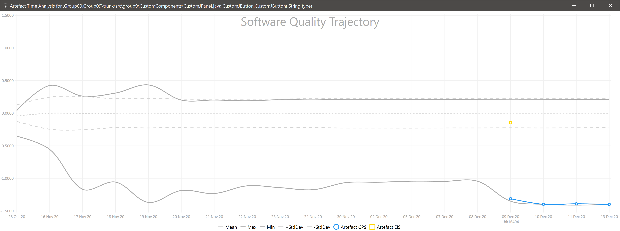

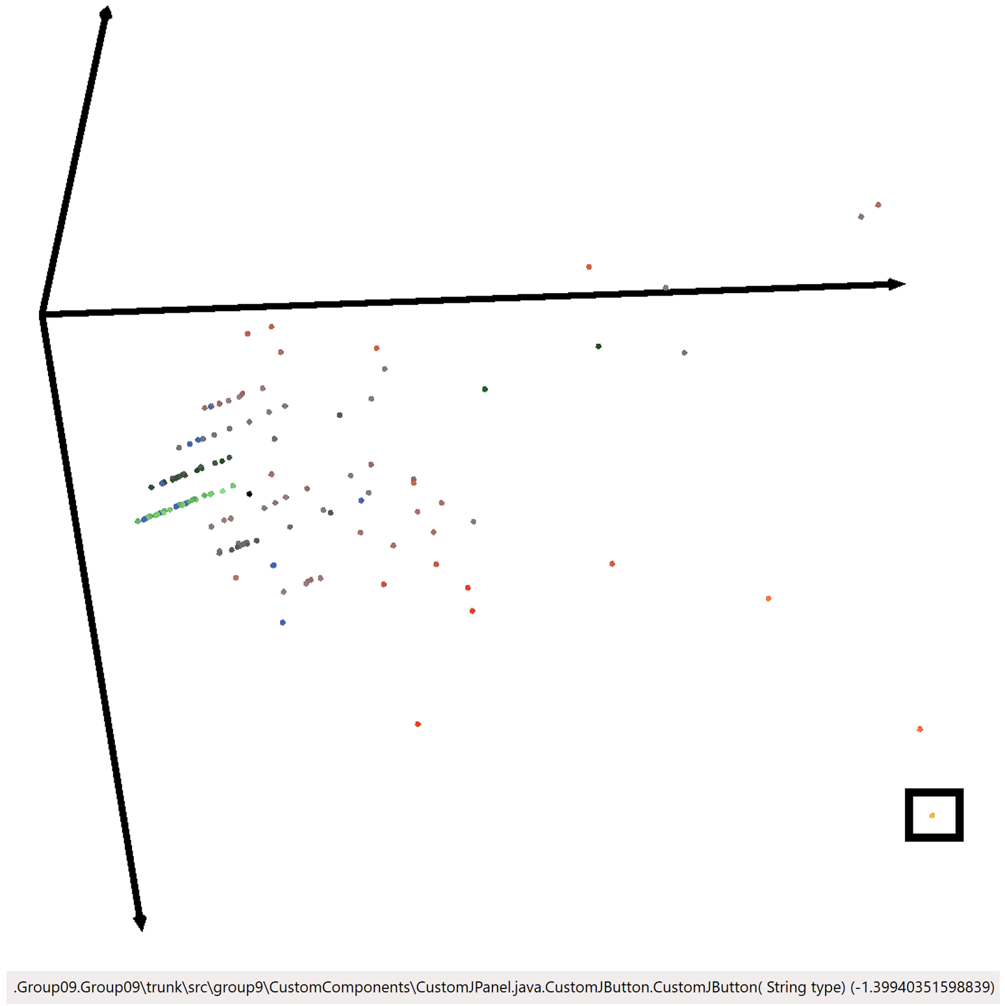
Effective Improvement Scores Since Last Report |  |  |  | Star Chart
Artefact | EIS | By | On
.Group09\trunk\src\group9\testing_things\conversionToBlackAndWhite.java.conversionToBlackAndWhite.imageColourConversion() | -0.39075620255 | hk16494 | 18:49
.Group09\trunk\src\group9\testing_things\conversionToBlackAndWhite.java.conversionToBlackAndWhite.imageColourConversion() | -0.38149918965 | hk16494 | 18:41
.Group09\trunk\src\group9\RandomCollageGenerator\CollageGeneratorGridBased.java.CollageGeneratorGridBased.CollageGeneratorGridBased( ArrayList<BufferedImage> inputImageList Dimension frameDimension int collageColumns) | -0.18381835294 | ma18533 | 16:14
.Group09\trunk\src\group9\button_handling\GenerateCollageButtonHandler.java.GenerateCollageButtonHandler.actionPerformed( ActionEvent e) | -0.17089442103 | gm18227 | 20:01
.Group09\trunk\src\group9\ButtonHandling\ClearAllButtonHandler.java.ClearAllButtonHandler.actionPerformed( ActionEvent e) | -0.17076606493 | gm18227 | 09:45
.Group09\trunk\src\group9\ButtonHandling\DiscardCollageButtonHandler.java.DiscardCollageButtonHandler.actionPerformed( ActionEvent e) | -0.16843328772 | ag18071 | 11:33
.Group09\trunk\src\group9\button_handling\PreviousCollageButtonHandler.java.PreviousCollageButtonHandler.actionPerformed( ActionEvent e) | -0.16746334343 | ma18533 | 09:25
.Group09\trunk\src\group9\RandomCollageGenerator\CollageGeneratorGridBased.java.CollageGeneratorGridBased.getCollage() | -0.15217679859 | ma18533 | 15:16
.Group09\trunk\src\group9\HomepageWindow\Test_Homepage.java.CustomJButton.CustomJButton( String buttonName) | -0.14901313712 | hk16494 | 10:02
.Group09\trunk\src\group9\CustomComponents\CustomJPanel.java.CustomJButton.CustomJButton( String type) | -0.14708262676 | hk16494 | 16:52
.Group09\trunk\src\group9\CollageWindow\CollagePage.java.CollagePage.setCollagePreviewImage( int index) | -0.14047735198 | ma18533 | 14:37
.Group09\trunk\src\group9\CollageGenerators\CollageGenerator.java.CollageGenerator.CollageGenerator() | -0.13287706313 | gm18227 | 13:12
.Group09\trunk\src\group9\Piccollage.java.Piccollage.main( String [ ] args) | -0.12535530878 | hk16494 | 17:16
.Group09\trunk\src\group9\ButtonHandling\DisplaySelectedImageHandler.java.DisplaySelectedImageHandler.valueChanged( ListSelectionEvent e) | -0.079658545751 | gm18227 | 09:45
.Group09\trunk\src\group9\RandomCollageGenerator\BinaryTreeBufferedImage.java.BinaryTreeBufferedImage.insertImage( Point point BufferedImage image) | -0.069677966032 | gm18227 | 12:44
.Group09\trunk\src\group9\GridCollageGenerator\CollageGenerator.java.CollageGenerator.CollageGenerator( ArrayList<BufferedImage> images) | -0.068009125946 | gm18227 | 17:29
.Group09\trunk\src\group9\GridCollageGenerator\CollageGenerator.java.CollageGenerator.CollageGenerator( ArrayList<BufferedImage> images) | -0.060139939955 | gm18227 | 13:12
.Group09\trunk\src\group9\ButtonHandling\BackToHomepageButtonHandler.java.BackToHomepageButtonHandler.actionPerformed( ActionEvent e) | -0.030251747235 | ag18071 | 11:33
.Group09\trunk\src\group9\RandomCollageGenerator\CollageGeneratorGridBased.java.CollageGeneratorGridBased.paintCollageToGraphics( Graphics2D outputGraphics) | -0.029861985442 | gm18227 | 12:44
.Group09\trunk\src\group9\HomepageWindow\MenuBar.java.CustomJMenuItem.CustomJMenuItem( String text) | -0.020555009197 | gm18227 | 09:45
.Group09\trunk\src\group9\HomepageWindow\MenuBar.java.MenuBar.initializeMenuListener() | -0.020555009197 | gm18227 | 09:45
.Group09\trunk\src\group9\RandomCollageGenerator\CollageGeneratorBinaryTree.java.CollageGeneratorBinaryTree.generateImageTree() | -0.019907990295 | gm18227 | 12:44
.Group09\trunk\src\group9\HomepageWindow\HomePage.java.HomePage.HomePage( Piccollage theApp) | -0.017442900937 | hk16494 | 13:26
.Group09\trunk\src\group9\collage_window\CollagePreview_Page.java.CollagePreview_Page.CollagePreview_Page( CollageMakerApplication theApp) | -0.017086571849 | ma18533 | 14:26
.Group09\trunk\src\group9\collage_window\CollagePreview_Page.java.CollagePreview_Page.setCollageLabelImage() | -0.016757826301 | gm18227 | 20:01
.Group09\trunk\src\group9\GridCollageGenerator\Collage.java.Collage.draw() | -0.015425132884 | lc17176 | 14:06
.Group09\trunk\src\group9\collage_window\CollagePreview_Page.java.CollagePreview_Page.CollagePreview_Page( CollageMakerApplication theApp) | -0.015166708939 | lc18166 | 17:37
.Group09\trunk\src\group9\HomepageWindow\HomePage.java.HomePage.HomePage( Piccollage theApp) | -0.01358655922 | ag18071 | 12:55
.Group09\trunk\src\group9\Piccollage.java.Piccollage.generateCollages() | -0.012277939626 | gm18227 | 17:29
.Group09\trunk\src\group9\UnitTests\PiccollageTests.java.PiccollageTests.init() | -0.012199820006 | gm18227 | 09:45
.Group09\trunk\src\group9\UnitTests\PiccollageTests.java.PiccollageTests.testGenerateCollagesSuccess() | -0.012199820006 | gm18227 | 09:45
.Group09\trunk\src\group9\UnitTests\PrevNextCollageTest.java.PrevNextCollageTest.testNextIncrements() | -0.012199820006 | gm18227 | 09:45
.Group09\trunk\src\group9\UnitTests\PrevNextCollageTest.java.PrevNextCollageTest.testPreviousAt0boundry() | -0.012199820006 | gm18227 | 09:45
.Group09\trunk\src\group9\UnitTests\PrevNextCollageTest.java.PrevNextCollageTest.populateCollagesGetLength() | -0.012199820006 | gm18227 | 09:45
.Group09\trunk\src\group9\UnitTests\PrevNextCollageTest.java.PrevNextCollageTest.testNextAtBoundry() | -0.012199820006 | gm18227 | 09:45
.Group09\trunk\src\group9\UnitTests\PrevNextCollageTest.java.PrevNextCollageTest.testNoImagesToInsert() | -0.012199820006 | gm18227 | 09:45
.Group09\trunk\src\group9\UnitTests\PrevNextCollageTest.java.PrevNextCollageTest.init() | -0.012199820006 | gm18227 | 09:45
.Group09\trunk\src\group9\UnitTests\PiccollageTests.java.PiccollageTests.testGenerateCollagesFailNoImages() | -0.012199820006 | gm18227 | 09:45
.Group09\trunk\src\group9\utils\Utils.java.Utils.resizeImage( BufferedImage inputImage int targetWidth int targetHeight) | -0.012199820006 | gm18227 | 09:45
.Group09\trunk\src\group9\UnitTests\PiccollageTests.java.PiccollageTests.testGenerateCollageClearsCollages() | -0.012199820006 | gm18227 | 09:45
.Group09\trunk\src\group9\button_handling\GenerateCollageButtonHandler.java.GenerateCollageButtonHandler.actionPerformed( ActionEvent e) | -0.012159557808 | ma18533 | 14:49
.Group09\trunk\src\group9\HomepageWindow\Test_Homepage.java.Test_Homepage.Test_Homepage( CollageMakerApplication theApp) | -0.010950677404 | hk16494 | 10:02
.Group09\trunk\src\group9\RandomCollageGenerator\CollageGeneratorGridBased.java.CollageGeneratorGridBased.CollageGeneratorGridBased( ArrayList<BufferedImage> inputImageList Dimension frameDimension int collageColumns) | -0.010918276401 | gm18227 | 09:45
.Group09\trunk\src\group9\testing_things\conversionToBlackAndWhite.java.conversionToBlackAndWhite.getImage() | -0.010342306551 | hk16494 | 21:12
.Group09\trunk\src\group9\button_handling\GenerateCollageButtonHandler.java.GenerateCollageButtonHandler.actionPerformed( ActionEvent e) | -0.010212180422 | ma18533 | 14:26
.Group09\trunk\src\group9\RandomCollageGenerator\BoundsUnitTest.java.BoundsUnitTest.isOverlapTest() | -0.0099539951474 | gm18227 | 12:44
.Group09\trunk\src\group9\RandomCollageGenerator\BoundsUnitTest.java.BoundsUnitTest.noOverlapTest1() | -0.0099539951474 | gm18227 | 12:44
.Group09\trunk\src\group9\RandomCollageGenerator\BoundsUnitTest.java.BoundsUnitTest.noOverlapTest2() | -0.0099539951474 | gm18227 | 12:44
.Group09\trunk\src\group9\RandomCollageGenerator\Bounds.java.Bounds.Bounds( int x int y Dimension size) | -0.0099539951474 | gm18227 | 12:44
.Group09\trunk\src\group9\RandomCollageGenerator\BinaryTreeBufferedImage.java.BinaryTreeBufferedImage.getImagesWithBoundList() | -0.0099539951474 | gm18227 | 12:44
.Group09\trunk\src\group9\button_handling\DiscardCollageButtonHandler.java.DiscardCollageButtonHandler.DiscardCollageButtonHandler( CollageMakerApplication theApp BufferedImage collageImage) | -0.0099539951474 | gm18227 | 12:44
.Group09\trunk\src\group9\RandomCollageGenerator\BinaryTreeNodeBufferedImage.java.BinaryTreeNodeBufferedImage.BinaryTreeNodeBufferedImage( BufferedImage image Bounds bounds) | -0.0099539951474 | gm18227 | 12:44
.Group09\trunk\src\group9\RandomCollageGenerator\Point.java.Point.Point( int x int y) | -0.0099539951474 | gm18227 | 12:44
.Group09\trunk\src\group9\RandomCollageGenerator\BufferedImageWithBounds.java.BufferedImageWithBounds.BufferedImageWithBounds( BufferedImage image Bounds bounds) | -0.0099539951474 | gm18227 | 12:44
.Group09\trunk\src\group9\button_handling\DeleteImageButtonHandler.java.DeleteImageButtonHandler.DeleteImageButtonHandler( CollageMakerApplication theApp JList filesList) | -0.0099539951474 | gm18227 | 12:44
.Group09\trunk\src\group9\RandomCollageGenerator\CollageGeneratorBinaryTree.java.CollageGeneratorBinaryTree.CollageGeneratorBinaryTree( ArrayList<BufferedImage> inputImageList boolean fixAspectRatio) | -0.0099539951474 | gm18227 | 12:44
.Group09\trunk\src\group9\RandomCollageGenerator\Bounds.java.Bounds.isOverlapNormalized( int x int y Dimension size) | -0.0099539951474 | gm18227 | 12:44
.Group09\trunk\src\group9\button_handling\BackToHomepageButtonHandler.java.BackToHomepageButtonHandler.BackToHomepageButtonHandler( CollageMakerApplication theApp) | -0.0099539951474 | gm18227 | 12:44
.Group09\trunk\src\group9\RandomCollageGenerator\BinaryTreeNodeBufferedImage.java.BinaryTreeNodeBufferedImage.isOverlapNormalized( Point point) | -0.0099539951474 | gm18227 | 12:44
.Group09\trunk\src\group9\RandomCollageGenerator\Bounds.java.Bounds.isOverlap( int x int y Dimension size) | -0.0099539951474 | gm18227 | 12:44
.Group09\trunk\src\group9\button_handling\SaveCollageButtonHandler.java.SaveCollageButtonHandler.SaveCollageButtonHandler( BufferedImage image) | -0.0099539951474 | gm18227 | 12:44
.Group09\trunk\src\group9\button_handling\GenerateCollageButtonHandler.java.GenerateCollageButtonHandler.GenerateCollageButtonHandler( CollageMakerApplication theApp) | -0.0099539951474 | gm18227 | 12:44
.Group09\trunk\src\group9\button_handling\CustomiseCollageButtonHandler.java.CustomiseCollageButtonHandler.CustomiseCollageButtonHandler( CollageMakerApplication theApp) | -0.0099539951474 | gm18227 | 12:44
.Group09\trunk\src\group9\RandomCollageGenerator\CollageGeneratorBinaryTree.java.CollageGeneratorBinaryTree.paintWithFixedAspect( Graphics2D imageGraphics BufferedImageWithBounds image) | -0.0099539951474 | gm18227 | 12:44
.Group09\trunk\src\group9\RandomCollageGenerator\CollageGeneratorBinaryTree.java.CollageGeneratorBinaryTree.getOffsets( Dimension sizeToDraw Dimension bounds) | -0.0099539951474 | gm18227 | 12:44
.Group09\trunk\src\group9\RandomCollageGenerator\CollageGeneratorBinaryTree.java.CollageGeneratorBinaryTree.getScaledDimension( Dimension imageSize Dimension bounds) | -0.0099539951474 | gm18227 | 12:44
.Group09\trunk\src\group9\RandomCollageGenerator\CollageGeneratorBinaryTree.java.CollageGeneratorBinaryTree.paintCollageToGraphics( Graphics2D outputGraphics) | -0.0099539951474 | gm18227 | 12:44
.Group09\trunk\src\group9\RandomCollageGenerator\CollageGeneratorBinaryTree.java.CollageGeneratorBinaryTree.CollageGeneratorBinaryTree( ArrayList<BufferedImage> inputImageList Dimension frameSize boolean fixAspectRatio) | -0.0099539951474 | gm18227 | 12:44
.Group09\trunk\src\group9\RandomCollageGenerator\CollageGeneratorBinaryTree.java.CollageGeneratorBinaryTree.CollageGeneratorBinaryTree( ArrayList<BufferedImage> inputImageList) | -0.0099539951474 | gm18227 | 12:44
.Group09\trunk\src\group9\RandomCollageGenerator\CollageGeneratorGridBased.java.CollageGeneratorGridBased.paintStandardRectangleImage( Graphics2D g BufferedImage image Point position) | -0.0099539951474 | gm18227 | 12:44
.Group09\trunk\src\group9\RandomCollageGenerator\CollageGeneratorBinaryTree.java.CollageGeneratorBinaryTree.copyImagesToLocal( ArrayList<BufferedImage> inputImageList) | -0.0099539951474 | gm18227 | 12:44
.Group09\trunk\src\group9\RandomCollageGenerator\CollageGeneratorGridBased.java.CollageGeneratorGridBased.CollageGeneratorGridBased( ArrayList<BufferedImage> inputImageList Dimension frameDimension int collageColumns) | -0.0099539951474 | gm18227 | 12:44
.Group09\trunk\src\group9\RandomCollageGenerator\CollageGeneratorGridBased.java.CollageGeneratorGridBased.paintRotatedRectangleImage( Graphics2D g BufferedImage image double rotationRadians Point position) | -0.0099539951474 | gm18227 | 12:44
.Group09\trunk\src\group9\RandomCollageGenerator\CollageGeneratorGridBased.java.CollageGeneratorGridBased.getPosition( int step) | -0.0099539951474 | gm18227 | 12:44
.Group09\trunk\src\group9\RandomCollageGenerator\Bounds.java.Bounds.Bounds( int xPosition1 int x2 int yPosition1 int yPosition2) | -0.0099539951474 | gm18227 | 12:44
.Group09\trunk\src\group9\RandomCollageGenerator\Bounds.java.Bounds.setNormalizedXPositions() | -0.0099539951474 | gm18227 | 12:44
.Group09\trunk\src\group9\RandomCollageGenerator\Bounds.java.Bounds.setNormalizedYPositions() | -0.0099539951474 | gm18227 | 12:44
.Group09\trunk\src\group9\RandomCollageGenerator\BoundsUnitTest.java.BoundsUnitTest.dimensionValuesConstructor() | -0.0099539951474 | gm18227 | 12:44
.Group09\trunk\src\group9\RandomCollageGenerator\BoundsUnitTest.java.BoundsUnitTest.initTwoBounds() | -0.0099539951474 | gm18227 | 12:44
.Group09\trunk\src\group9\RandomCollageGenerator\BoundsUnitTest.java.BoundsUnitTest.normalizedPositionsAssignedCorrectly() | -0.0099539951474 | gm18227 | 12:44
.Group09\trunk\src\group9\RandomCollageGenerator\BufferedImageWithBoundsUnitTest.java.BufferedImageWithBoundsUnitTest.init() | -0.0099539951474 | gm18227 | 12:44
.Group09\trunk\src\group9\RandomCollageGenerator\BufferedImageWithBoundsUnitTest.java.BufferedImageWithBoundsUnitTest.testCompareToImageSize1() | -0.0099539951474 | gm18227 | 12:44
.Group09\trunk\src\group9\RandomCollageGenerator\Bounds.java.Bounds.isOverlapNormalized( Bounds other) | -0.0099539951474 | gm18227 | 12:44
.Group09\trunk\src\group9\RandomCollageGenerator\Bounds.java.Bounds.Bounds( Point point Dimension size) | -0.0099539951474 | gm18227 | 12:44
.Group09\trunk\src\group9\RandomCollageGenerator\Bounds.java.Bounds.isOverlap( Bounds other) | -0.0099539951474 | gm18227 | 12:44
.Group09\trunk\src\group9\RandomCollageGenerator\BinaryTreeBufferedImage.java.BinaryTreeBufferedImage.BinaryTreeBufferedImage( Dimension dimension) | -0.0099539951474 | gm18227 | 12:44
.Group09\trunk\src\group9\RandomCollageGenerator\BinaryTreeNodeBufferedImage.java.BinaryTreeNodeBufferedImage.getImages() | -0.0099539951474 | gm18227 | 12:44
.Group09\trunk\src\group9\RandomCollageGenerator\BinaryTreeNodeBufferedImage.java.BinaryTreeNodeBufferedImage.getImagesRecursive() | -0.0099539951474 | gm18227 | 12:44
.Group09\trunk\src\group9\RandomCollageGenerator\BinaryTreeNodeBufferedImage.java.BinaryTreeNodeBufferedImage.hasData() | -0.0099539951474 | gm18227 | 12:44
.Group09\trunk\src\group9\collage_generators\HueCollageGenerator.java.HueCollageGenerator.HueCollageGenerator() | -0.0099539951474 | gm18227 | 12:44
.Group09\trunk\src\group9\button_handling\LoadImageButtonHandler.java.LoadImageButtonHandler.actionPerformed( ActionEvent e) | -0.0099539951474 | gm18227 | 12:44
.Group09\trunk\src\group9\button_handling\PreviousCollageButtonHandler.java.PreviousCollageButtonHandler.PreviousCollageButtonHandler() | -0.0099539951474 | gm18227 | 12:44
.Group09\trunk\src\group9\RandomCollageGenerator\CollageGeneratorBinaryTree.java.CollageGeneratorBinaryTree.paintWithoutFixedAspect( Graphics2D imageGraphics BufferedImageWithBounds image) | -0.0099539951474 | gm18227 | 12:44
.Group09\trunk\src\group9\RandomCollageGenerator\CollageGeneratorGridBased.java.CollageGeneratorGridBased.getRandomRotationRadians( Random random) | -0.0099539951474 | gm18227 | 12:44
.Group09\trunk\src\group9\button_handling\PreviousCollageButtonHandler.java.PreviousCollageButtonHandler.actionPerformed( ActionEvent e) | -0.0099539951474 | gm18227 | 12:44
.Group09\trunk\src\group9\button_handling\NextCollageButtonHandler.java.NextCollageButtonHandler.actionPerformed( ActionEvent e) | -0.0092983443074 | lc18166 | 17:37
.Group09\trunk\src\group9\button_handling\PreviousCollageButtonHandler.java.PreviousCollageButtonHandler.actionPerformed( ActionEvent e) | -0.0092983443074 | lc18166 | 17:37
.Group09\trunk\src\group9\Piccollage.java.Piccollage.generateCollages() | -0.0091645660456 | lc17176 | 14:06
.Group09\trunk\src\group9\homepage_window\MenuBar.java.MenuBar.initializeMenuItems() | -0.0089452492264 | lc18166 | 16:51
.Group09\trunk\src\group9\ButtonHandling\DeleteImageButtonHandler.java.DeleteImageButtonHandler.actionPerformed( ActionEvent e) | -0.0086425363601 | ag18071 | 18:06
.Group09\trunk\src\group9\GridCollageGenerator\CollageGenerator.java.CollageGenerator.generateCollage() | -0.0075527648625 | gm18227 | 13:12
.Group09\trunk\src\group9\button_handling\HelpButtonHandler.java.HelpButtonHandler.actionPerformed( ActionEvent e) | -0.0068390384142 | lc18166 | 16:51
.Group09\trunk\src\group9\UnitTests\PiccollageTests.java.PiccollageTests.init() | -0.0067374851572 | ma18533 | 16:14
.Group09\trunk\src\group9\CollageWindow\Editor.java.Editor.getImageIcon( JLabel lbl) | -0.005807696558 | gm18227 | 17:29
.Group09\trunk\src\group9\button_handling\LoadImageButtonHandler.java.LoadImageButtonHandler.getFiles( File [ ] directory) | -0.0053828620406 | gm18227 | 22:14
.Group09\trunk\src\group9\utils\Utils.java.Utils.rescaleIcon( BufferedImage toBeScaled int width int height) | -0.0047349476106 | gm18227 | 12:58
.Group09\trunk\src\group9\ButtonHandling\CustomiseCollageButtonHandler.java.CustomiseCollageButtonHandler.CustomiseCollageButtonHandler( Piccollage theApp) | -0.0046143160063 | hk16494 | 18:05
.Group09\trunk\src\group9\HomepageWindow\HomePage.java.HomePage.HomePage( Piccollage theApp) | -0.0045105583769 | gm18227 | 09:45
.Group09\trunk\src\group9\ButtonHandling\DiscardCollageButtonHandler.java.DiscardCollageButtonHandler.DiscardCollageButtonHandler( Piccollage theApp BufferedImage collageImage) | -0.0045105583769 | gm18227 | 09:45
.Group09\trunk\src\group9\ButtonHandling\HelpButtonHandler.java.HelpButtonHandler.actionPerformed( ActionEvent e) | -0.0037993914558 | ag18071 | 11:33
.Group09\trunk\src\group9\GridCollageGenerator\CollageGenerator.java.CollageGenerator.main( String [ ] args) | -0.0035549980233 | gm18227 | 13:12
.Group09\trunk\src\group9\collage_window\CollagePreview_Page.java.CollagePreview_Page.CollagePreview_Page( CollageMakerApplication theApp) | -0.0034328838844 | gm18227 | 20:01
.Group09\trunk\src\group9\ButtonHandling\NextCollageButtonHandler.java.NextCollageButtonHandler.actionPerformed( ActionEvent e) | -0.0033562208376 | ag18071 | 11:33
.Group09\trunk\src\group9\button_handling\DiscardCollageButtonHandler.java.DiscardCollageButtonHandler.actionPerformed( ActionEvent e) | -0.0033036286547 | lc18166 | 17:04
.Group09\trunk\src\group9\testing_things\conversionToBlackAndWhite.java.conversionToBlackAndWhite.getImage() | -0.0029768622755 | ss18559 | 11:31
.Group09\trunk\src\group9\homepage_window\Test_Homepage.java.Test_Homepage.main( String [ ] args) | -0.0028185377991 | lc18166 | 16:56
.Group09\trunk\src\group9\testing_things\conversionToBlackAndWhite.java.conversionToBlackAndWhite.main( String [ ] args) | -0.0022392611567 | hk16494 | 18:29
.Group09\trunk\src\group9\collage_window\CollagePreview_Page.java.CollagePreview_Page.CollagePreview_Page( CollageMakerApplication theApp) | -0.0011181561533 | lc18166 | 16:51
.Group09\trunk\src\group9\CollageMakerApplication.java.CollageMakerApplication.CollageMakerApplication() | -0.0011181561533 | lc18166 | 16:51
.Group09\trunk\src\group9\homepage_window\Test_Homepage.java.Test_Homepage.Test_Homepage( CollageMakerApplication theApp) | -0.0011181561533 | lc18166 | 16:51
.Group09\trunk\src\group9\CollageWindow\CollagePage.java.CollagePage.setCollagePreviewImage( int index) | 0.00076705926576 | lc17176 | 14:06
.Group09\trunk\src\group9\homepage_window\Test_Homepage.java.Test_Homepage.Test_Homepage( CollageMakerApplication theApp) | 0.0008098038066 | gm18227 | 20:01
.Group09\trunk\src\group9\homepage_window\Test_Homepage.java.Test_Homepage.main( String [ ] args) | 0.0021531448162 | gm18227 | 22:14
.Group09\trunk\src\group9\CollageMakerApplication.java.CollageMakerApplication.CollageMakerApplication() | 0.0021531448162 | gm18227 | 22:14
.Group09\trunk\src\group9\CollageMakerApplication.java.CollageMakerApplication.createImagesFromFiles() | 0.0021531448162 | gm18227 | 22:14
.Group09\trunk\src\group9\testing_things\conversionToBlackAndWhite.java.conversionToBlackAndWhite.main( String [ ] args) | 0.0022330406056 | hk16494 | 11:12
.Group09\trunk\src\group9\testing_things\conversionToBlackAndWhite.java.conversionToBlackAndWhite.outputImage() | 0.0022330406056 | hk16494 | 11:12
.Group09\trunk\src\group9\testing_things\conversionToBlackAndWhite.java.conversionToBlackAndWhite.getImage() | 0.0022330406056 | hk16494 | 11:12
.Group09\trunk\src\group9\testing_things\conversionToBlackAndWhite.java.conversionToBlackAndWhite.imageColourConversion() | 0.0022330406056 | hk16494 | 11:12
.Group09\trunk\src\group9\testing_things\conversionToBlackAndWhite.java.conversionToBlackAndWhite.conversionToBlackAndWhite() | 0.0022330406056 | hk16494 | 11:12
.Group09\trunk\src\group9\CollageWindow\CollageOptions.java.CollageOptions.CollageOptions() | 0.0024472950359 | ag18071 | 11:20
.Group09\trunk\src\group9\Piccollage.java.Piccollage.main( String [ ] args) | 0.0024895958861 | ma18533 | 16:34
.Group09\trunk\src\group9\UnitTests\ImageTesting.java.ImageTesting.execute() | 0.0025175882875 | gm18227 | 13:12
.Group09\trunk\src\group9\UnitTests\ImageTesting.java.ImageTesting.testRescaling() | 0.0025175882875 | gm18227 | 13:12
.Group09\trunk\src\group9\UnitTests\ImageTesting.java.ImageTesting.testBufferedImageNotNull() | 0.0025175882875 | gm18227 | 13:12
.Group09\trunk\src\group9\UnitTests\ImageTesting.java.ImageTesting.testConvertingToBlackAndWhite() | 0.0025175882875 | gm18227 | 13:12
.Group09\trunk\src\group9\CollageGenerators\CollageGenerator.java.CollageGenerator.main( String [ ] args) | 0.0025880972271 | gm18227 | 17:29
.Group09\trunk\src\group9\CollageWindow\CollagePage.java.CollagePage.CollagePage( Piccollage theApp) | 0.0025880972271 | gm18227 | 17:29
.Group09\trunk\src\group9\button_handling\BackToHomepageButtonHandler.java.BackToHomepageButtonHandler.actionPerformed( ActionEvent e) | 0.0026463943902 | lc18166 | 16:51
.Group09\trunk\src\group9\Piccollage.java.Piccollage.main( String [ ] args) | 0.0032175173669 | gm18227 | 17:29
.Group09\trunk\src\group9\CollageMakerApplication.java.CollageMakerApplication.main( String [ ] args) | 0.0032297172244 | gm18227 | 22:14
.Group09\trunk\src\group9\Piccollage.java.Piccollage.main( String [ ] args) | 0.0038839307189 | ma18533 | 16:25
.Group09\trunk\src\group9\ButtonHandling\ClearAllButtonHandler.java.ClearAllButtonHandler.actionPerformed( ActionEvent e) | 0.0043467339038 | hk16494 | 16:52
.Group09\trunk\src\group9\testing_things\conversionToBlackAndWhite.java.conversionToBlackAndWhite.outputImage() | 0.004708425655 | ss18559 | 11:31
.Group09\trunk\src\group9\ButtonHandling\LoadImageButtonHandler.java.LoadImageButtonHandler.getFiles( File [ ] directory) | 0.0049050042837 | ag18071 | 11:33
.Group09\trunk\src\group9\button_handling\PreviousCollageButtonHandler.java.PreviousCollageButtonHandler.actionPerformed( ActionEvent e) | 0.0055462419746 | ma18533 | 14:26
.Group09\trunk\src\group9\UnitTests\ImageTesting.java.ImageTesting.testConvertingToBlackAndWhite() | 0.0057921019817 | gm18227 | 09:45
.Group09\trunk\src\group9\collage_generators\CollageGenerator.java.CollageGenerator.GridGenerator( int numOfImages) | 0.0066772506898 | hk16494 | 13:43
.Group09\trunk\src\group9\button_handling\PreviousCollageButtonHandler.java.PreviousCollageButtonHandler.PreviousCollageButtonHandler() | 0.0066772506898 | hk16494 | 13:43
.Group09\trunk\src\group9\button_handling\GenerateCollageButtonHandler.java.GenerateCollageButtonHandler.actionPerformed( ActionEvent e) | 0.0066772506898 | hk16494 | 13:43
.Group09\trunk\src\group9\homepage_window\ImageList.java.ImageList.ImageList( CollageMakerApplication theApp) | 0.0066772506898 | hk16494 | 13:43
.Group09\trunk\src\group9\homepage_window\Test_Homepage.java.Test_Homepage.main( String [ ] args) | 0.0066772506898 | hk16494 | 13:43
.Group09\trunk\src\group9\unit_test\ImageTesting.java.ImageTesting.testBufferedImage() | 0.0066772506898 | hk16494 | 13:43
.Group09\trunk\src\group9\collage_window\CollagePreview_Page.java.CollagePreview_Page.CollagePreview_Page( CollageMakerApplication theApp) | 0.0066772506898 | hk16494 | 13:43
.Group09\trunk\src\group9\RandomCollageGenerator\CollageGeneratorGridBased.java.CollageGeneratorGridBased.paintRotatedRectangleImage( Graphics2D g BufferedImage image double rotationRadians Point position) | 0.006881625494 | ma18533 | 09:00
.Group09\trunk\src\group9\ButtonHandling\BackToHomepageButtonHandler.java.BackToHomepageButtonHandler.actionPerformed( ActionEvent e) | 0.0070060316254 | hk16494 | 18:05
.Group09\trunk\src\group9\GridCollageGenerator\CollageGenerator.java.CollageGenerator.main( String [ ] args) | 0.0072192469111 | gm18227 | 17:29
.Group09\trunk\src\group9\UnitTests\ImageTesting.java.ImageTesting.testMaximumWidthAndHeight() | 0.0076892616291 | gm18227 | 09:45
.Group09\trunk\src\group9\UnitTests\ImageTesting.java.ImageTesting.testMinimumWidthAndHeight() | 0.0076892616291 | gm18227 | 09:45
.Group09\trunk\src\group9\CollageWindow\Editor.java.Editor.main( String [ ] args) | 0.007740882115 | gm18227 | 17:29
.Group09\trunk\src\group9\HomepageWindow\MenuBar.java.MenuBar.initializeMenuItems() | 0.0079970956177 | ag18071 | 11:28
.Group09\trunk\src\group9\Piccollage.java.Piccollage.Piccollage() | 0.0084731984138 | hk16494 | 16:52
.Group09\trunk\src\group9\button_handling\NextCollageButtonHandler.java.NextCollageButtonHandler.NextCollageButtonHandler() | 0.0099539951474 | gm18227 | 12:44
.Group09\trunk\src\group9\button_handling\SaveCollageButtonHandler.java.SaveCollageButtonHandler.actionPerformed( ActionEvent e) | 0.0099539951474 | gm18227 | 12:44
.Group09\trunk\src\group9\button_handling\NextCollageButtonHandler.java.NextCollageButtonHandler.actionPerformed( ActionEvent e) | 0.011073881168 | ma18533 | 14:26
.Group09\trunk\src\group9\CollageMakerApplication.java.CollageMakerApplication.CollageMakerApplication() | 0.011407912959 | hk16494 | 13:04
.Group09\trunk\src\group9\testing_things\conversionToBlackAndWhite.java.conversionToBlackAndWhite.imageColourConversion() | 0.011671732029 | hk16494 | 12:23
.Group09\trunk\src\group9\RandomCollageGenerator\CollageGeneratorBinaryTree.java.CollageGeneratorBinaryTree.getCollage() | 0.015425132884 | lc17176 | 14:06
.Group09\trunk\src\group9\CollageMakerApplication.java.CollageMakerApplication.getHomepage() | 0.019907990295 | gm18227 | 12:44
.Group09\trunk\src\group9\CollageMakerApplication.java.CollageMakerApplication.getImageFiles() | 0.019907990295 | gm18227 | 12:44
.Group09\trunk\src\group9\CollageMakerApplication.java.CollageMakerApplication.getFileNamesModel() | 0.019907990295 | gm18227 | 12:44
.Group09\trunk\src\group9\button_handling\DeleteImageButtonHandler.java.DeleteImageButtonHandler.actionPerformed( ActionEvent e) | 0.019907990295 | gm18227 | 12:44
.Group09\trunk\src\group9\RandomCollageGenerator\Bounds.java.Bounds.getHeight() | 0.019907990295 | gm18227 | 12:44
.Group09\trunk\src\group9\RandomCollageGenerator\Bounds.java.Bounds.getWidth() | 0.019907990295 | gm18227 | 12:44
.Group09\trunk\src\group9\button_handling\HelpButtonHandler.java.HelpButtonHandler.actionPerformed( ActionEvent e) | 0.020031752069 | hk16494 | 13:43
.Group09\trunk\src\group9\button_handling\GenerateCollageButtonHandler.java.GenerateCollageButtonHandler.actionPerformed( ActionEvent e) | 0.020714950535 | ma18533 | 09:00
.Group09\trunk\src\group9\HomepageWindow\HomePage.java.HomePage.HomePage( Piccollage theApp) | 0.022335712472 | hk16494 | 16:52
.Group09\trunk\src\group9\Piccollage.java.Piccollage.generateCollages() | 0.023184437515 | ma18533 | 16:14
.Group09\trunk\src\group9\UnitTests\PiccollageTests.java.PiccollageTests.PicCollageTest::getUnalteredBufferedImages() | 0.024399640012 | gm18227 | 09:45
.Group09\trunk\src\group9\UnitTests\PiccollageTests.java.PiccollageTests.PicCollageTest::PicCollageTest() | 0.024399640012 | gm18227 | 09:45
.Group09\trunk\src\group9\CustomComponents\PreviewImageJPanel.java.PreviewImageJPanel.setImage( BufferedImage image) | 0.024399640012 | gm18227 | 09:45
.Group09\trunk\src\group9\CollageWindow\CollagePage.java.CollagePage.getPreviewCollageJPanel() | 0.024555879252 | gm18227 | 17:29
.Group09\trunk\src\group9\homepage_window\CollageOptions.java.CollageOptions.CollageOptions() | 0.025848553041 | gm18227 | 12:28
.Group09\trunk\src\group9\RandomCollageGenerator\CollageGeneratorGridBased.java.CollageGeneratorGridBased.CollageGeneratorGridBased( ArrayList<BufferedImage> inputImageList Dimension frameDimension int collageColumns) | 0.026531936236 | ma18533 | 15:16
.Group09\trunk\src\group9\ButtonHandling\GenerateCollageButtonHandler.java.GenerateCollageButtonHandler.actionPerformed( ActionEvent e) | 0.065940746869 | ag18071 | 11:33
.Group09\trunk\src\group9\ButtonHandling\DisplaySelectedImageHandler.java.DisplaySelectedImageHandler.valueChanged( ListSelectionEvent e) | 0.090742064948 | ag18071 | 18:06
.Group09\trunk\src\group9\ButtonHandling\GenerateCollageButtonHandler.java.GenerateCollageButtonHandler.actionPerformed( ActionEvent e) | 0.099604425112 | ma18533 | 15:16
.Group09\trunk\src\group9\CollageMakerApplication.java.CollageMakerApplication.getBufferedImages() | 0.15019079535 | gm18227 | 22:14
.Group09\trunk\src\group9\ButtonHandling\PreviousCollageButtonHandler.java.PreviousCollageButtonHandler.actionPerformed( ActionEvent e) | 0.16070989284 | ag18071 | 11:33
.Group09\trunk\src\group9\testing_things\conversionToBlackAndWhite.java.conversionToBlackAndWhite.imageColourConversion() | 0.36600688809 | ss18559 | 11:31
.Group09\trunk\src\group9\testing_things\conversionToBlackAndWhite.java.conversionToBlackAndWhite.imageColourConversion() | 0.39072665984 | hk16494 | 18:47

05 Dec @ 11.50
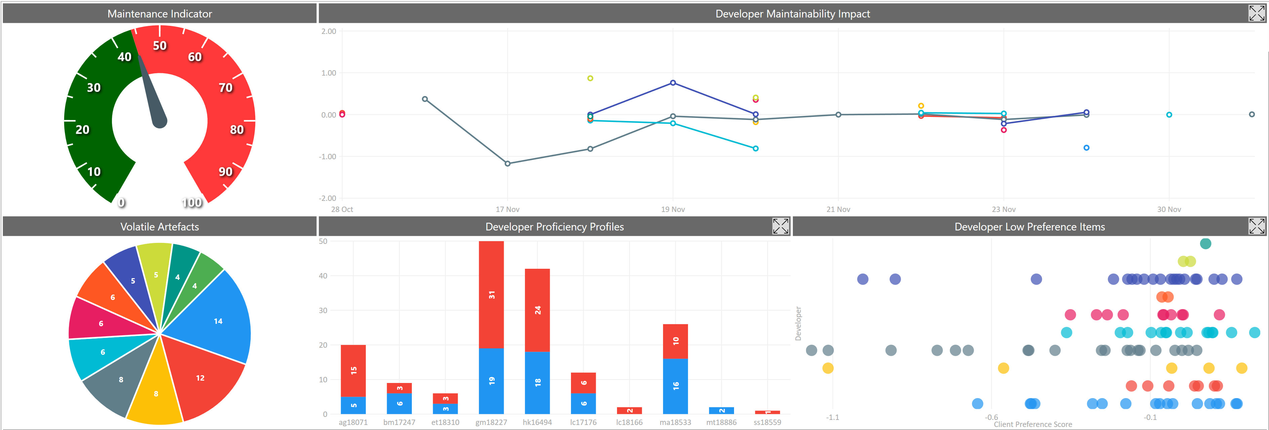

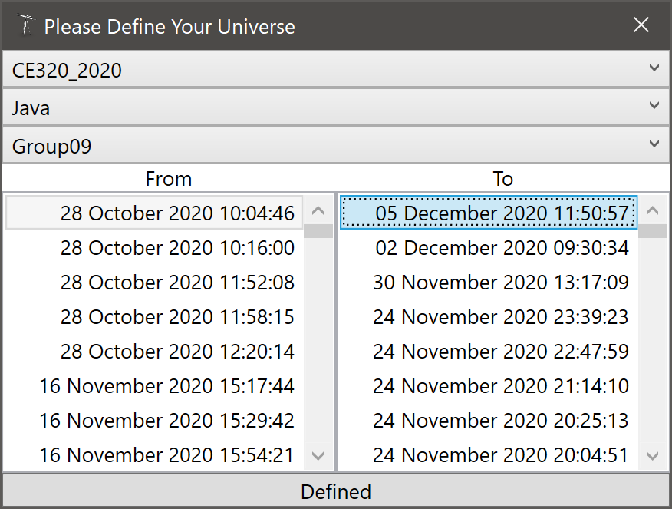
10 Worst Client Preference Scores
Artefact | CPS
Group09\trunk\src\group9\collage_generators\CollageGenerator.java.CollageGenerator.drawAllImagesOntoCollageFrame() | -1.0432760101
Group09\trunk\src\group9\RandomCollageGenerator\BinaryTreeBufferedImage.java.BinaryTreeBufferedImage.insertImage( Point point BufferedImage image) | -0.91637039745
Group09\trunk\src\group9\collage_generators\CollageGenerator.java.CollageGenerator.addAllImagesOfCollageIntoArray() | -0.67330399716
Group09\trunk\src\group9\homepage_window\Test_Homepage.java.CustomJButton.CustomJButton( String buttonName) | -0.64664516151
Group09\trunk\src\group9\button_handling\LoadImageButtonHandler.java.LoadImageButtonHandler.getFiles( File [ ] directory) | -0.64268582023
Group09\trunk\src\group9\homepage_window\MenuBar.java.CustomJMenuItem.CustomJMenuItem( String text) | -0.52449638714
Group09\trunk\src\group9\homepage_window\Test_Homepage.java.CustomListRenderer.getListCellRendererComponent( JList list Object value int index boolean isSelected boolean cellHasFocus) | -0.49919615134
Group09\trunk\src\group9\button_handling\DeleteImageButtonHandler.java.DeleteImageButtonHandler.actionPerformed( ActionEvent e) | -0.43582042236
Group09\trunk\src\group9\utils\Utils.java.Utils.rescaleImage( String formatImage File originalImage File rescaledImage int width int height) | -0.42766960795
Group09\trunk\src\group9\button_handling\LoadImageButtonHandler.java.LoadImageButtonHandler.actionPerformed( ActionEvent e) | -0.42431580294

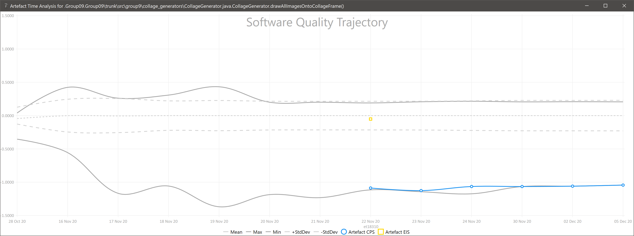

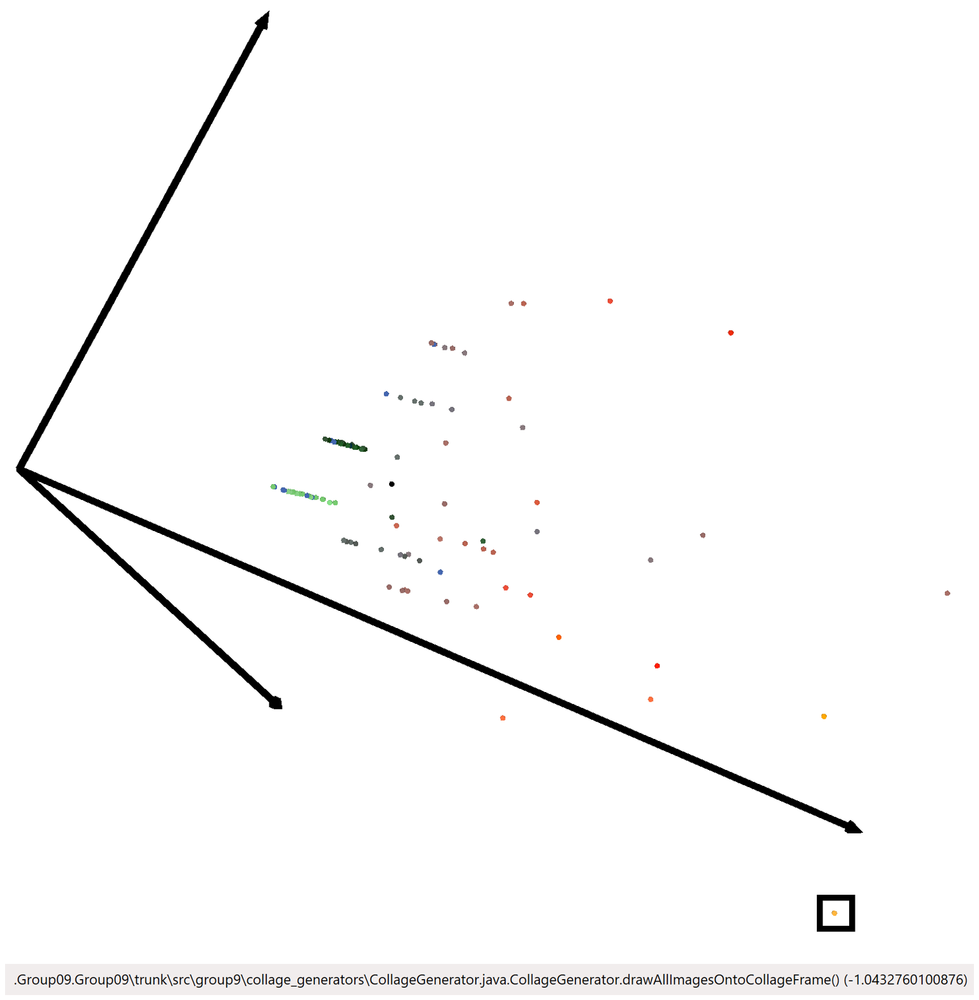
Effective Improvement Scores Since Last Report |  |  |  | Star Chart
Artefact | EIS | By | On
Group09\trunk\src\group9\collage_generators\CollageGenerator.java.CollageGenerator.addAllImagesOfCollageIntoArray() | -0.16228926272 | gm18227 | 11:50
Group09\trunk\src\group9\RandomCollageGenerator\BinaryTreeNodeBufferedImage.java.BinaryTreeNodeBufferedImage.getImages() | -0.0048250013003 | gm18227 | 11:50
Group09\trunk\src\group9\RandomCollageGenerator\CollageGeneratorGridBased.java.CollageGeneratorGridBased.getPosition( int step) | -0.0046514792555 | gm18227 | 11:50
Group09\trunk\src\group9\RandomCollageGenerator\CollageGeneratorGridBased.java.CollageGeneratorGridBased.getRandomRotationRadians( Random random) | -0.0046514792555 | gm18227 | 11:50
Group09\trunk\src\group9\button_handling\SaveCollageButtonHandler.java.SaveCollageButtonHandler.actionPerformed( ActionEvent e) | -0.0046514792555 | gm18227 | 11:50
Group09\trunk\src\group9\RandomCollageGenerator\CollageGeneratorBinaryTree.java.CollageGeneratorBinaryTree.generateImageTree() | -0.0035319899528 | gm18227 | 11:50
Group09\trunk\src\group9\unit_test\CollageMakerAppTesting.java.CollageMakerAppTesting.testAddFiles() | -0.0028902044047 | hk16494 | 13:17
Group09\trunk\src\group9\collage_window\CollagePreview_Page.java.CollagePreview_Page.CollagePreview_Page( CollageMakerApplication theApp) | 0.0022389786053 | gm18227 | 11:50
Group09\trunk\src\group9\RandomCollageGenerator\BinaryTreeBufferedImage.java.BinaryTreeBufferedImage.insertImage( Point point BufferedImage image) | 0.0024125006501 | gm18227 | 11:50
Group09\trunk\src\group9\button_handling\LoadImageButtonHandler.java.LoadImageButtonHandler.actionPerformed( ActionEvent e) | 0.0046514792555 | gm18227 | 11:50
Group09\trunk\src\group9\RandomCollageGenerator\BinaryTreeNodeBufferedImage.java.BinaryTreeNodeBufferedImage.getImagesRecursive() | 0.0046514792555 | gm18227 | 11:50
Group09\trunk\src\group9\homepage_window\CopyrightsPanel.java.CopyrightsPanel.CopyrightsPanel() | 0.0055974465133 | gm18227 | 11:50
Group09\trunk\src\group9\RandomCollageGenerator\CollageGeneratorBinaryTree.java.CollageGeneratorBinaryTree.copyImagesToLocal( ArrayList<BufferedImage> inputImageList) | 0.17141869918 | gm18227 | 11:50

24 Nov @ 23.39
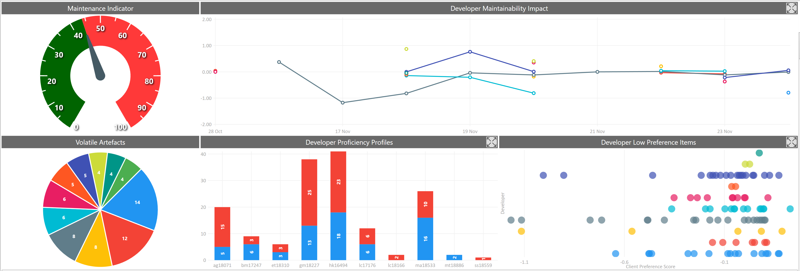

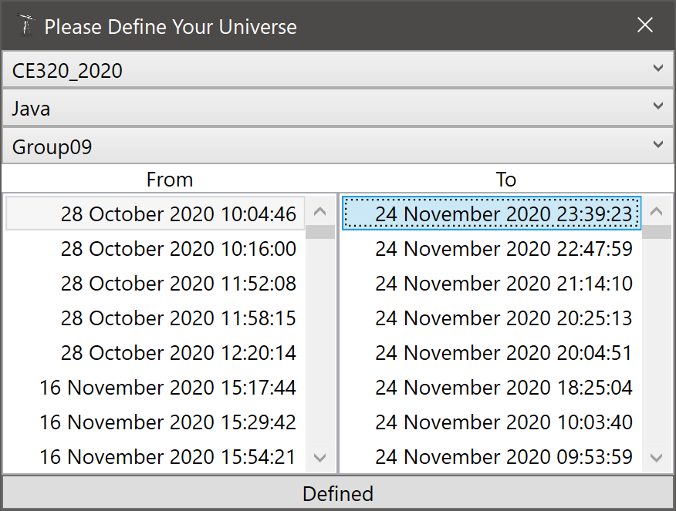
10 Worst Client Preference Scores
Artefact | CPS
.Group09.Group09\trunk\src\group9\collage_generators\CollageGenerator.java.CollageGenerator.drawAllImagesOntoCollageFrame() | -1.06455278
.Group09.Group09\trunk\src\group9\RandomCollageGenerator\BinaryTreeBufferedImage.java.BinaryTreeBufferedImage.insertImage( Point point BufferedImage image) | -0.90318183781
.Group09.Group09\trunk\src\group9\homepage_window\Test_Homepage.java.CustomJButton.CustomJButton( String buttonName) | -0.6629627127
.Group09.Group09\trunk\src\group9\button_handling\LoadImageButtonHandler.java.LoadImageButtonHandler.getFiles( File [ ] directory) | -0.65960880057
.Group09.Group09\trunk\src\group9\homepage_window\MenuBar.java.CustomJMenuItem.CustomJMenuItem( String text) | -0.53682814254
.Group09.Group09\trunk\src\group9\collage_generators\CollageGenerator.java.CollageGenerator.addAllImagesOfCollageIntoArray() | -0.51787190611
.Group09.Group09\trunk\src\group9\homepage_window\Test_Homepage.java.CustomListRenderer.getListCellRendererComponent( JList list Object value int index boolean isSelected boolean cellHasFocus) | -0.51100798209
.Group09.Group09\trunk\src\group9\button_handling\DeleteImageButtonHandler.java.DeleteImageButtonHandler.actionPerformed( ActionEvent e) | -0.44896304083
.Group09.Group09\trunk\src\group9\utils\Utils.java.Utils.rescaleImage( String formatImage File originalImage File rescaledImage int width int height) | -0.44161561504
.Group09.Group09\trunk\src\group9\button_handling\LoadImageButtonHandler.java.LoadImageButtonHandler.actionPerformed( ActionEvent e) | -0.43567584527

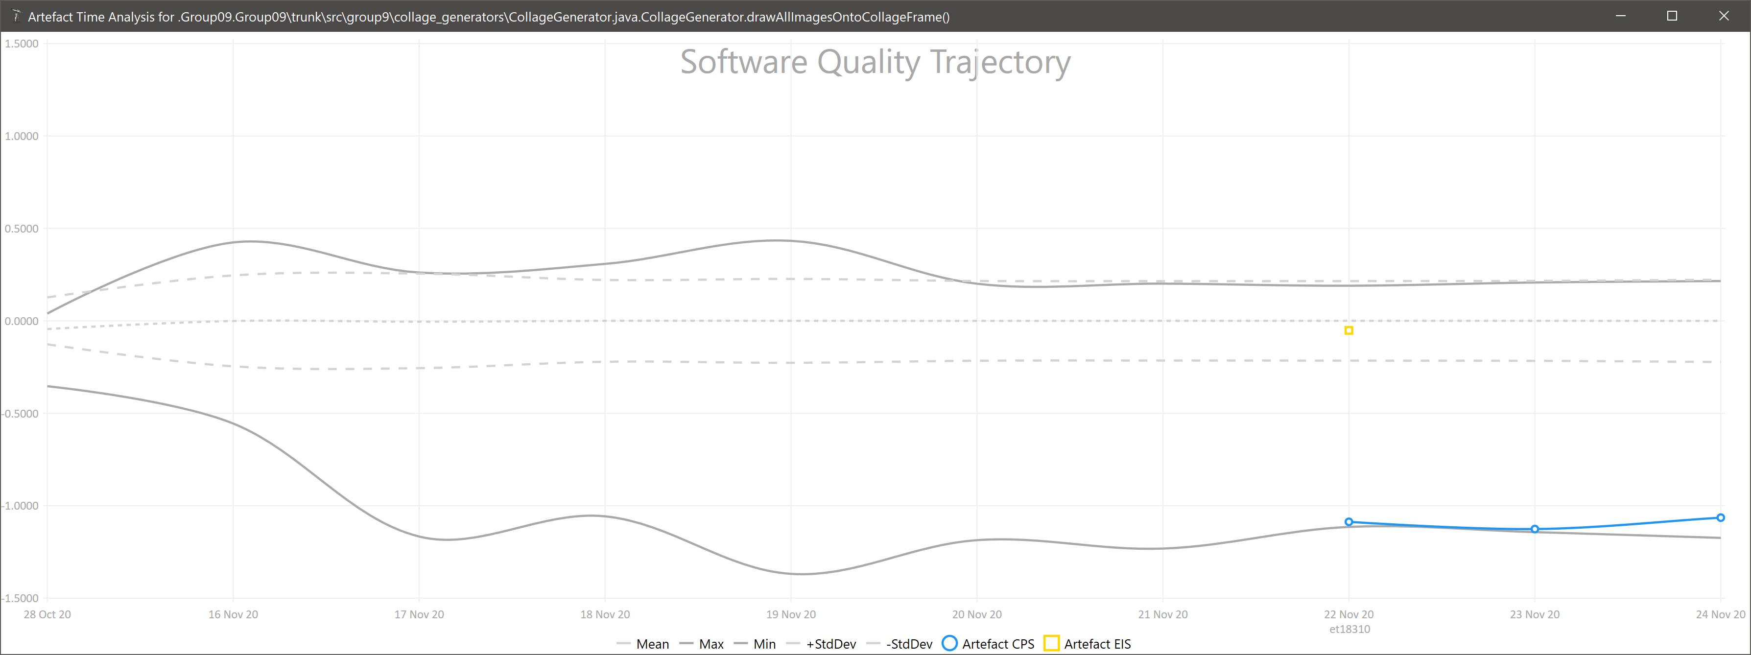

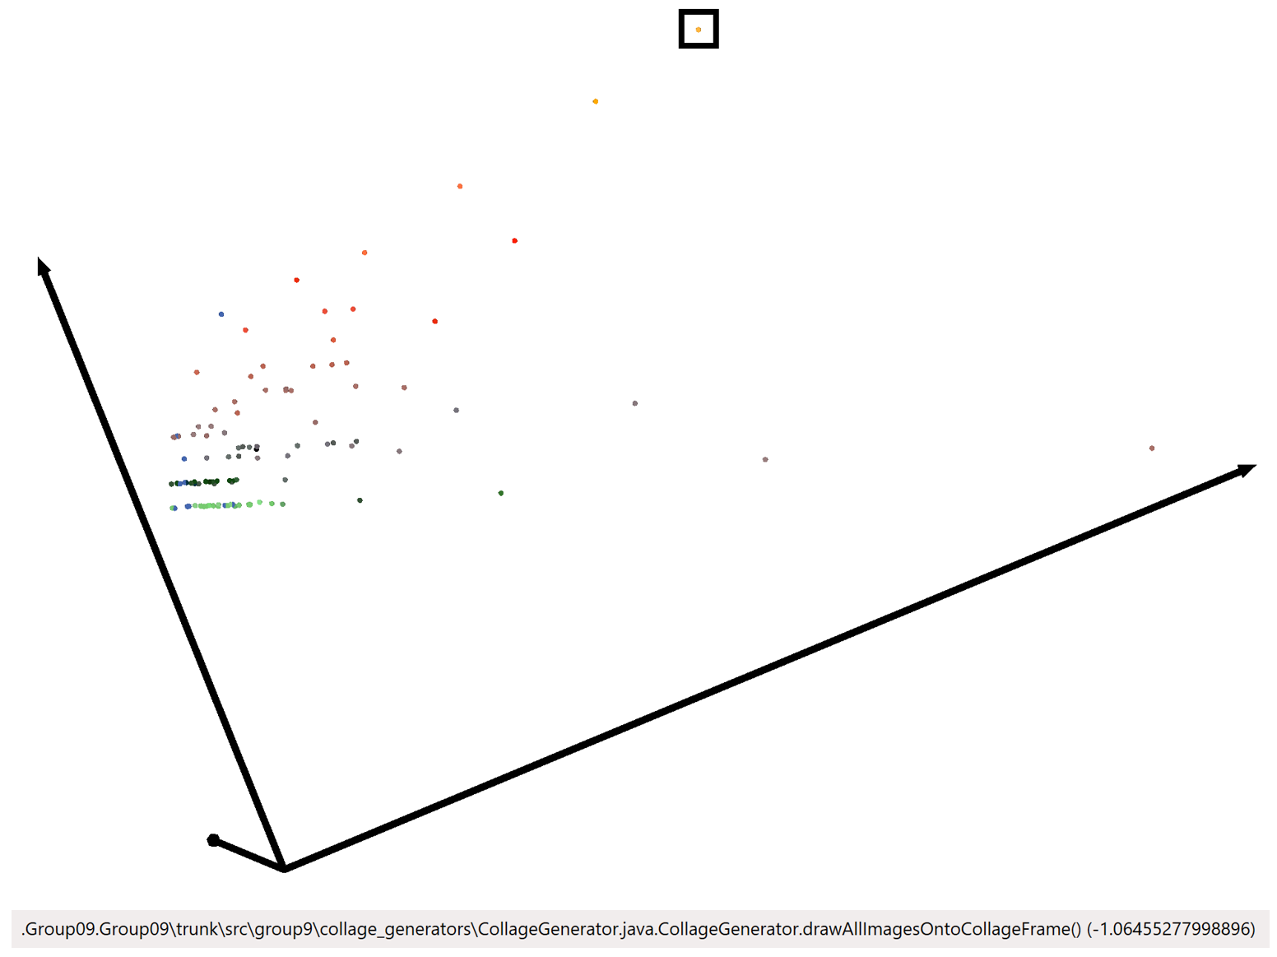
Effective Improvement Scores Since Last Report |  |  |  | Star Chart
Artefact | EIS | By | On
.Group09.Group09\trunk\src\group9\button_handling\DeleteImageButtonHandler.java.DeleteImageButtonHandler.actionPerformed( ActionEvent e) | -0.41030762188 | ag18071 | 20:04
.Group09.Group09\trunk\src\group9\button_handling\HelpButtonHandler.java.HelpButtonHandler.actionPerformed( ActionEvent e) | -0.24277999819 | hk16494 | 15:53
.Group09.Group09\trunk\RandomCollageGenerator\TestCollageGeneratorMain.java.TestCollageGeneratorMain.TestCollageGeneratorMain() | -0.17985363191 | ma18533 | 13:32
.Group09.Group09\trunk\src\group9\button_handling\DeleteImageButtonHandler.java.DeleteImageButtonHandler.actionPerformed( ActionEvent e) | -0.17431980693 | lc17176 | 19:04
.Group09.Group09\trunk\src\group9\button_handling\DisplaySelectedImageHandler.java.DisplaySelectedImageHandler.valueChanged( ListSelectionEvent e) | -0.16960509626 | lc17176 | 19:04
.Group09.Group09\trunk\src\group9\button_handling\LoadImageButtonHandler.java.LoadImageButtonHandler.actionPerformed( ActionEvent e) | -0.168411924 | ag18071 | 20:04
.Group09.Group09\trunk\src\group9\button_handling\DisplaySelectedImageHandler.java.DisplaySelectedImageHandler.valueChanged( ListSelectionEvent e) | -0.15203422783 | gm18227 | 09:23
.Group09.Group09\trunk\src\group9\button_handling\HelpButtonHandler.java.HelpButtonHandler.actionPerformed( ActionEvent e) | -0.13021365791 | ag18071 | 20:04
.Group09.Group09\trunk\src\group9\button_handling\HelpButtonHandler.java.HelpButtonHandler.actionPerformed( ActionEvent e) | -0.090009544818 | bm17247 | 14:14
.Group09.Group09\trunk\src\group9\homepage_window\CollageOptions.java.CollageOptions.CollageOptions() | -0.085338479192 | ag18071 | 22:47
.Group09.Group09\trunk\src\group9\homepage_window\Test_Homepage.java.CustomListRenderer.getListCellRendererComponent( JList list Object value int index boolean isSelected boolean cellHasFocus) | -0.074530658541 | ag18071 | 22:47
.Group09.Group09\trunk\src\group9\homepage_window\Homepage.java.Homepage.Homepage( CollageMakerApplication theApp) | -0.059323864837 | hk16494 | 15:42
.Group09.Group09\trunk\src\group9\collage_generators\CollageGenerator.java.CollageGenerator.drawAllImagesOntoCollageFrame() | -0.051363224724 | et18310 | 12:59
.Group09.Group09\trunk\src\group9\button_handling\GenerateCollageButtonHandler.java.GenerateCollageButtonHandler.actionPerformed( ActionEvent e) | -0.050831985583 | ma18533 | 13:56
.Group09.Group09\trunk\src\group9\CollageMakerApplication.java.CollageMakerApplication.getPositionFromName( String filename) | -0.041869980162 | lc17176 | 19:04
.Group09.Group09\trunk\src\group9\homepage_window\Homepage.java.Homepage.Homepage( CollageMakerApplication theApp) | -0.032056554581 | bm17247 | 14:24
.Group09.Group09\trunk\src\group9\CollageMakerApplication.java.CollageMakerApplication.getFileFromName( String filename) | -0.024486220891 | ag18071 | 20:04
.Group09.Group09\trunk\src\group9\CollageMakerApplication.java.CollageMakerApplication.getFileNamesModel() | -0.022462531587 | ag18071 | 20:04
.Group09.Group09\trunk\src\group9\button_handling\DisplaySelectedImageHandler.java.DisplaySelectedImageHandler.valueChanged( ListSelectionEvent e) | -0.022055944459 | gm18227 | 15:14
.Group09.Group09\trunk\src\group9\homepage_window\Test_Homepage.java.CustomJButton.CustomJButton( String buttonName) | -0.014821451742 | ag18071 | 22:47
.Group09.Group09\trunk\src\group9\homepage_window\PreviewImages.java.PreviewImages.PreviewImages( JLabel image CollageMakerApplication theApp) | -0.013551028826 | ag18071 | 22:47
.Group09.Group09\trunk\src\group9\button_handling\HelpButtonHandler.java.HelpButtonHandler.actionPerformed( ActionEvent e) | -0.012806743364 | hk16494 | 16:10
.Group09.Group09\trunk\src\group9\button_handling\NextCollageButtonHandler.java.NextCollageButtonHandler.NextCollageButtonHandler() | -0.011231265793 | ag18071 | 20:04
.Group09.Group09\trunk\src\group9\CollageMakerApplication.java.CollageMakerApplication.CollageMakerApplication() | -0.011094430945 | ag18071 | 22:47
.Group09.Group09\trunk\src\group9\button_handling\HelpButtonHandler.java.HelpButtonHandler.HelpButtonHandler( CollageMakerApplication theApp) | -0.010253989589 | bm17247 | 14:14
.Group09.Group09\trunk\src\group9\button_handling\HelpButtonHandler.java.HelpButtonHandler.actionPerformed( ActionEvent e) | -0.0099342778014 | gm18227 | 09:23
.Group09.Group09\trunk\RandomCollageGenerator\TestCollageGeneratorMain.java.TestCollageGeneratorMain.generateRandomCollage() | -0.008533126386 | ma18533 | 13:32
.Group09.Group09\trunk\src\group9\CollageMakerApplication.java.CollageMakerApplication.deleteFile( String filename) | -0.0081115341172 | gm18227 | 09:19
.Group09.Group09\trunk\src\group9\CollageMakerApplication.java.CollageMakerApplication.deleteFile( String filename) | -0.0077241286309 | gm18227 | 15:14
.Group09.Group09\trunk\src\group9\helper_class\ImageRescaling.java.ImageRescaling.main( String [ ] args) | -0.0073543307278 | gm18227 | 13:03
.Group09.Group09\trunk\src\group9\button_handling\DiscardCollageButtonHandler.java.DiscardCollageButtonHandler.actionPerformed( ActionEvent e) | -0.0069277048595 | hk16494 | 18:30
.Group09.Group09\trunk\src\group9\homepage_window\Test_Homepage.java.Test_Homepage.Test_Homepage( CollageMakerApplication theApp) | -0.0067755144129 | ag18071 | 22:47
.Group09.Group09\trunk\src\group9\button_handling\DisplaySelectedImageHandler.java.DisplaySelectedImageHandler.valueChanged( ListSelectionEvent e) | -0.0048879666056 | ag18071 | 20:04
.Group09.Group09\trunk\src\group9\RandomCollageGenerator\BinaryTreeNodeBufferedImage.java.BinaryTreeNodeBufferedImage.isOverlapNormalized( Point point) | -0.0022277063642 | ma18533 | 23:39
.Group09.Group09\trunk\src\group9\collage_window\CollagePreview_Page.java.CollagePreview_Page.CollagePreview_Page( CollageMakerApplication theApp) | -0.0022265939354 | ag18071 | 22:47
.Group09.Group09\trunk\src\group9\button_handling\SaveCollageButtonHandler.java.SaveCollageButtonHandler.actionPerformed( ActionEvent e) | -0.0020918719882 | gm18227 | 09:23
.Group09.Group09\trunk\src\group9\collage_generators\CollageGenerator.java.CollageGenerator.CollageGenerator() | -0.0019398212019 | et18310 | 12:59
.Group09.Group09\trunk\src\group9\button_handling\DisplaySelectedImageHandler.java.DisplaySelectedImageHandler.valueChanged( ListSelectionEvent e) | -0.0016938646527 | gm18227 | 15:37
.Group09.Group09\trunk\src\group9\collage_window\CollagePreview_Page.java.CollagePreview_Page.CollagePreview_Page( CollageMakerApplication theApp) | -0.0016861695662 | ma18533 | 13:56
.Group09.Group09\trunk\src\group9\collage_window\CollagePreview_Page.java.CollagePreview_Page.CollagePreview_Page() | -0.0010561978707 | hk16494 | 18:30
.Group09.Group09\trunk\src\group9\button_handling\GenerateCollageButtonHandler.java.GenerateCollageButtonHandler.actionPerformed( ActionEvent e) | -0.001049065962 | hk16494 | 04:15
.Group09.Group09\trunk\src\group9\CollageMakerApplication.java.CollageMakerApplication.addFileNamesToModel( File [ ] files) | -0.00041070223219 | ag18071 | 20:04
.Group09.Group09\trunk\src\group9\homepage_window\Homepage.java.Homepage.Homepage( CollageMakerApplication theApp) | -0.00024094232915 | gm18227 | 18:37
.Group09.Group09\trunk\src\group9\button_handling\HelpButtonHandler.java.HelpButtonHandler.actionPerformed( ActionEvent e) | 0.00037377689674 | hk16494 | 04:50
.Group09.Group09\trunk\src\group9\helper_class\ImageRescaling.java.ImageRescaling.rescaleImage( String formatImage File originalImage File rescaledImage int width int height) | 0.00058463424138 | gm18227 | 14:03
.Group09.Group09\trunk\src\group9\button_handling\DiscardCollageButtonHandler.java.DiscardCollageButtonHandler.actionPerformed( ActionEvent e) | 0.00061475034488 | ag18071 | 22:47
.Group09.Group09\trunk\src\group9\button_handling\DeleteImageButtonHandler.java.DeleteImageButtonHandler.actionPerformed( ActionEvent e) | 0.0009308902971 | hk16494 | 18:30
.Group09.Group09\trunk\src\group9\RandomCollageGenerator\CollageGeneratorBinaryTree.java.CollageGeneratorBinaryTree.CollageGeneratorBinaryTree( ArrayList<BufferedImage> inputImageList Dimension frameSize boolean fixAspectRatio) | 0.0010391501327 | ma18533 | 14:09
.Group09.Group09\trunk\src\group9\RandomCollageGenerator\CollageGeneratorBinaryTree.java.CollageGeneratorBinaryTree.CollageGeneratorBinaryTree( ArrayList<BufferedImage> inputImageList boolean fixAspectRatio) | 0.0010391501327 | ma18533 | 14:09
.Group09.Group09\trunk\src\group9\RandomCollageGenerator\CollageGeneratorBinaryTree.java.CollageGeneratorBinaryTree.CollageGeneratorBinaryTree( ArrayList<BufferedImage> inputImageList) | 0.0010391501327 | ma18533 | 14:09
.Group09.Group09\trunk\src\group9\unit_test\ImageTesting.java.ImageTesting.testRescaling() | 0.001178207407 | gm18227 | 10:03
.Group09.Group09\trunk\src\group9\collage_window\CollagePreview_Page.java.CollagePreview_Page.CollagePreview_Page( CollageMakerApplication theApp) | 0.0012022848401 | ag18071 | 20:04
.Group09.Group09\trunk\src\group9\CollageMakerApplication.java.CollageMakerApplication.CollageMakerApplication() | 0.0017454841209 | hk16494 | 04:50
.Group09.Group09\trunk\RandomCollageGenerator\BinaryTreeBufferedImage.java.BinaryTreeBufferedImage.insertImage( Point point BufferedImage image) | 0.0019313514776 | ma18533 | 13:32
.Group09.Group09\trunk\src\group9\RandomCollageGenerator\CollageGeneratorBinaryTree.java.CollageGeneratorBinaryTree.generateImageTree() | 0.0020783002654 | ma18533 | 14:09
.Group09.Group09\trunk\src\group9\button_handling\BackToHomepageButtonHandler.java.BackToHomepageButtonHandler.actionPerformed( ActionEvent e) | 0.002825154429 | bm17247 | 14:16
.Group09.Group09\trunk\src\group9\homepage_window\Homepage.java.Homepage.Homepage( CollageMakerApplication theApp) | 0.0029473823602 | bm17247 | 14:14
.Group09.Group09\trunk\src\group9\button_handling\HelpButtonHandler.java.HelpButtonHandler.actionPerformed( ActionEvent e) | 0.0030375500415 | hk16494 | 04:15
.Group09.Group09\trunk\src\group9\utils\Utils.java.Utils.rescaleIcon( BufferedImage toBeScaled int width int height) | 0.0046607869552 | lc17176 | 19:04
.Group09.Group09\trunk\src\group9\homepage_window\Homepage.java.Homepage.Homepage( CollageMakerApplication theApp) | 0.0048053892581 | bm17247 | 14:24
.Group09.Group09\trunk\src\group9\CollageMakerApplication.java.CollageMakerApplication.deleteFile( String filename) | 0.0048722992337 | lc17176 | 19:04
.Group09.Group09\trunk\src\group9\CollageMakerApplication.java.CollageMakerApplication.CollageMakerApplication() | 0.0050349844255 | bm17247 | 14:14
.Group09.Group09\trunk\src\group9\CollageMakerApplication.java.CollageMakerApplication.CollageMakerApplication() | 0.0051355182389 | hk16494 | 16:10
.Group09.Group09\trunk\src\group9\CollageMakerApplication.java.CollageMakerApplication.deleteFile( String filename) | 0.0054112334703 | gm18227 | 16:28
.Group09.Group09\trunk\src\group9\helper_class\ImageRescaling.java.ImageRescaling.rescaleImage( String formatImage File originalImage File rescaledImage int width int height) | 0.0057312247451 | gm18227 | 14:49
.Group09.Group09\trunk\RandomCollageGenerator\CollageGeneratorGridBased.java.CollageGeneratorGridBased.paintStandardRectangleImage( Graphics2D g BufferedImage image Point position) | 0.0062786867182 | ma18533 | 13:32
.Group09.Group09\trunk\src\group9\button_handling\DiscardCollageButtonHandler.java.DiscardCollageButtonHandler.actionPerformed( ActionEvent e) | 0.0069085062529 | hk16494 | 04:15
.Group09.Group09\trunk\src\group9\CollageMakerApplication.java.CollageMakerApplication.CollageMakerApplication() | 0.0072435308972 | ag18071 | 20:04
.Group09.Group09\trunk\src\group9\collage_generators\CollageGenerator.java.CollageGenerator.addAllImagesOfCollageIntoArray() | 0.0073107642043 | et18310 | 12:59
.Group09.Group09\trunk\src\group9\collage_generators\CollageGenerator.java.CollageGenerator.GridGenerator( int numOfImages) | 0.007407316372 | et18310 | 11:55
.Group09.Group09\trunk\src\group9\collage_window\CollagePreview_Page.java.CollagePreview_Page.CollagePreview_Page( CollageMakerApplication theApp) | 0.007742761332 | bm17247 | 14:14
.Group09.Group09\trunk\src\group9\homepage_window\Homepage.java.Homepage.Homepage( CollageMakerApplication theApp) | 0.0078861735993 | lc17176 | 19:04
.Group09.Group09\trunk\src\group9\collage_window\CollagePreview_Page.java.CollagePreview_Page.CollagePreview_Page( CollageMakerApplication theApp) | 0.010138130686 | ma18533 | 14:44
.Group09.Group09\trunk\src\group9\CollageMakerApplication.java.CollageMakerApplication.getBufferedImages() | 0.010886067886 | gm18227 | 16:28
.Group09.Group09\trunk\src\group9\collage_window\CollagePreview_Page.java.CollagePreview_Page.CollagePreview_Page() | 0.01369041705 | hk16494 | 15:38
.Group09.Group09\trunk\src\group9\utils\Utils.java.Utils.rescaleImage( String formatImage File originalImage File rescaledImage int width int height) | 0.014534468686 | gm18227 | 18:37
.Group09.Group09\trunk\src\group9\button_handling\BackToHomepageButtonHandler.java.BackToHomepageButtonHandler.actionPerformed( ActionEvent e) | 0.01508173826 | hk16494 | 04:15
.Group09.Group09\trunk\src\group9\RandomCollageGenerator\Bounds.java.Bounds.Bounds( int x int y Dimension size) | 0.016577098219 | ma18533 | 23:39
.Group09.Group09\trunk\src\group9\RandomCollageGenerator\Bounds.java.Bounds.Bounds( Point point Dimension size) | 0.016577098219 | ma18533 | 23:39
.Group09.Group09\trunk\src\group9\button_handling\DisplaySelectedImageHandler.java.DisplaySelectedImageHandler.valueChanged( ListSelectionEvent e) | 0.016723357509 | gm18227 | 16:28
.Group09.Group09\trunk\src\group9\homepage_window\Test_Homepage.java.CustomJButton.CustomJButton( String buttonName) | 0.01750627571 | ag18071 | 21:14
.Group09.Group09\trunk\src\group9\CollageMakerApplication.java.CollageMakerApplication.getFileNamesModel() | 0.021772135772 | gm18227 | 16:28
.Group09.Group09\trunk\src\group9\CollageMakerApplication.java.CollageMakerApplication.getFileFromName( String filename) | 0.023661231534 | gm18227 | 16:28
.Group09.Group09\trunk\src\group9\RandomCollageGenerator\BinaryTreeBufferedImage.java.BinaryTreeBufferedImage.insertImage( Point point BufferedImage image) | 0.025799118069 | ma18533 | 23:39
.Group09.Group09\trunk\src\group9\button_handling\HelpButtonHandler.java.HelpButtonHandler.actionPerformed( ActionEvent e) | 0.091808857621 | hk16494 | 15:38
.Group09.Group09\trunk\src\group9\button_handling\BackToHomepageButtonHandler.java.BackToHomepageButtonHandler.actionPerformed( ActionEvent e) | 0.16180232122 | ag18071 | 20:04
.Group09.Group09\trunk\src\group9\collage_generators\CollageGenerator.java.CollageGenerator.CollageGenerator() | 0.24986204099 | et18310 | 11:55
.Group09.Group09\trunk\src\group9\button_handling\HelpButtonHandler.java.HelpButtonHandler.actionPerformed( ActionEvent e) | 0.25453180697 | hk16494 | 16:22

20 Nov @ 18.17
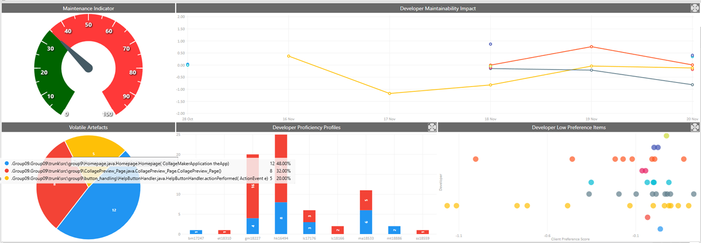

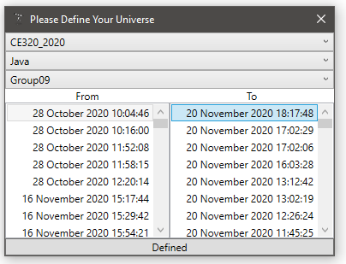
10 Worst Client Preference Scores
Artefact | CPS
.Group09.Group09\trunk\RandomCollageGenerator\BinaryTreeBufferedImage.java.BinaryTreeBufferedImage.insertImage( Point point BufferedImage image) | -1.1595645631
.Group09.Group09\trunk\RandomCollageGenerator\Bounds.java.Bounds.isOverlap( Bounds other) | -0.54798903996
.Group09.Group09\trunk\RandomCollageGenerator\Bounds.java.Bounds.isOverlapNormalized( Bounds other) | -0.54798903996
.Group09.Group09\trunk\src\group9\collage_generators\CollageGenerator.java.CollageGenerator.getScaledDimension( Dimension imgSize Dimension boundary) | -0.4404995465
.Group09.Group09\trunk\RandomCollageGenerator\CollageGeneratorBinaryTree.java.CollageGeneratorBinaryTree.writeImagesToCollage( BinaryTreeBufferedImage imageTree BufferedImage outputImage) | -0.40074754556
.Group09.Group09\trunk\RandomCollageGenerator\CollageGeneratorGridBased.java.CollageGeneratorGridBased.paintCollage( ArrayList<BufferedImage> inputImageList BufferedImage outputImage) | -0.39167662786
.Group09.Group09\trunk\src\group9\button_handling\LoadImageButtonHandler.java.LoadImageButtonHandler.actionPerformed( ActionEvent e) | -0.35876374903
.Group09.Group09\trunk\src\group9\CollageMakerApplication.java.CollageMakerApplication.getFileFromName( String filename) | -0.35613006472
.Group09.Group09\trunk\src\group9\button_handling\SaveCollageButtonHandler.java.SaveCollageButtonHandler.actionPerformed( ActionEvent e) | -0.31802969347
.Group09.Group09\trunk\RandomCollageGenerator\CollageGeneratorGridBased.java.CollageGeneratorGridBased.paintRotatedRectangleImage( Graphics2D g BufferedImage image double rotationRadians Point position) | -0.23927074296

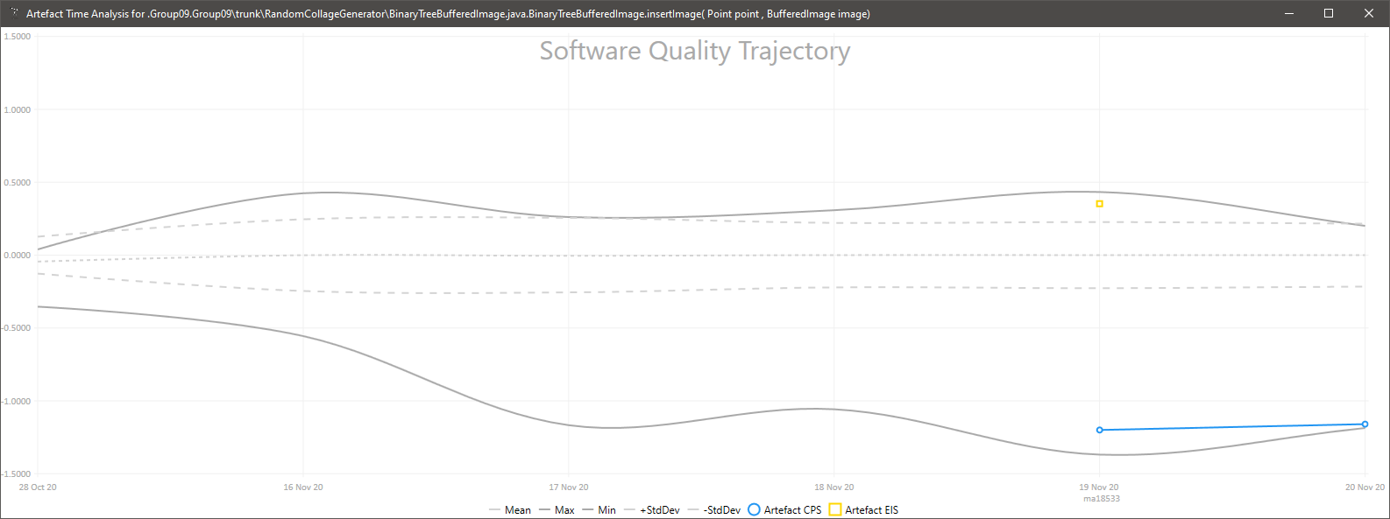


Effective Improvement Scores Since Last Report |  |  |  | Star Chart
Artefact | EIS | By | On
.Group09.Group09\trunk\src\Homepage.java.Homepage.Homepage( CollageMakerApplication theApp) | -0.81741447005 | gm18227 | 10:03
.Group09.Group09\trunk\src\LoadingImages.java.LoadingImages.SaveImage::actionPerformed( ActionEvent e) | -0.62392186503 | gm18227 | 23:20
.Group09.Group09\trunk\src\LoadingImages.java.LoadingImages.LoadImage::actionPerformed( ActionEvent e) | -0.49817047881 | gm18227 | 23:20
.Group09.Group09\trunk\src\group9\CollagePreview_Page.java.CollagePreview_Page.CollagePreview_Page() | -0.32871702594 | hk16494 | 01:40
.Group09.Group09\trunk\RandomCollageGenerator\RandomCollageGeneratorBinaryTree.java.RandomCollageGeneratorBinaryTree.generateRandomCollage() | -0.21361252308 | ma18533 | 13:02
.Group09.Group09\trunk\src\group9\CollagePreview_Page.java.CollagePreview_Page.CollagePreview_Page() | -0.20788781752 | hk16494 | 22:59
.Group09.Group09\trunk\src\group9\CollageGenerator.java.CollageGenerator.CollageGenerator() | -0.17925813572 | et18310 | 11:45
.Group09.Group09\trunk\src\CollageMakerApplication.java.CollageMakerApplication.CollageMakerApplication() | -0.17653273077 | hk16494 | 08:42
.Group09.Group09\trunk\src\group9\button_handling\GenerateCollageButtonHandler.java.GenerateCollageButtonHandler.actionPerformed( ActionEvent e) | -0.17651016066 | hk16494 | 01:25
.Group09.Group09\trunk\src\group9\CollagePreview_Page.java.CollagePreview_Page.CollagePreview_Page() | -0.14189058365 | hk16494 | 04:30
.Group09.Group09\trunk\src\group9\CollagePreview_Page.java.CollagePreview_Page.CollagePreview_Page() | -0.12150761763 | gm18227 | 11:18
.Group09.Group09\trunk\src\group9\CollagePreview_Page.java.CollagePreview_Page.CollagePreview_Page() | -0.11612647238 | hk16494 | 01:55
.Group09.Group09\trunk\src\Homepage.java.Homepage.Homepage( CollageMakerApplication theApp) | -0.065925753947 | lc18166 | 11:30
.Group09.Group09\trunk\src\group9\Homepage.java.Homepage.Homepage( CollageMakerApplication theApp) | -0.056064937096 | lc17176 | 12:24
.Group09.Group09\trunk\src\group9\Homepage.java.Homepage.Homepage( CollageMakerApplication theApp) | -0.05469997313 | hk16494 | 04:14
.Group09.Group09\trunk\src\LoadingImages.java.LoadingImages.LoadImage::actionPerformed( ActionEvent e) | -0.045275358165 | gm18227 | 21:39
.Group09.Group09\trunk\src\CollageGenerator.java.CollageGenerator.CollageGenerator() | -0.04384834823 | ss18559 | 11:13
.Group09.Group09\trunk\src\group9\Homepage.java.Homepage.Homepage( CollageMakerApplication theApp) | -0.041473295937 | gm18227 | 18:07
.Group09.Group09\trunk\src\group9\Homepage.java.Homepage.Homepage( CollageMakerApplication theApp) | -0.03949524042 | hk16494 | 03:33
.Group09.Group09\trunk\src\group9\Homepage.java.Homepage.Homepage( CollageMakerApplication theApp) | -0.038032732476 | lc18166 | 14:53
.Group09.Group09\trunk\src\group9\Homepage.java.Homepage.Homepage( CollageMakerApplication theApp) | -0.036339603936 | hk16494 | 03:00
.Group09.Group09\trunk\RandomCollageGenerator\RandomCollageGeneratorBinaryTree.java.RandomCollageGeneratorBinaryTree.generateRandomCollage() | -0.034795493876 | ma18533 | 00:56
.Group09.Group09\trunk\RandomCollageGenerator\BinaryTreeCollageGenerator.java.BinaryTreeCollageGenerator.generateImageTree( ArrayList<BufferedImage> inputImageList) | -0.029685919827 | ma18533 | 16:03 | The technique has flagged two methods as really unusual in the space (at the top).
.Group09.Group09\trunk\src\group9\Homepage.java.Homepage.Homepage( CollageMakerApplication theApp) | -0.028993597033 | hk16494 | 01:40 | These are Homepage(theApp) and CollagePreview_Page() but they are not coloured
.Group09.Group09\trunk\src\group9\button_handling\HelpButtonHandler.java.Copyrights.Copyrights() | -0.028967603835 | gm18227 | 21:13 | as code of concern as the developer weightings rate complexity over simple
.Group09.Group09\trunk\src\CollageMakerApplication.java.CollagePreview_Page.CollagePreview_Page() | -0.022626062347 | hk16494 | 09:04 | flat code, refering to lots of other code elements.
.Group09.Group09\trunk\src\group9\Homepage.java.Homepage.Homepage( CollageMakerApplication theApp) | -0.021276044634 | hk16494 | 22:59
.Group09.Group09\trunk\src\group9\button_handling\HelpButtonHandler.java.HelpButtonHandler.actionPerformed( ActionEvent e) | -0.018669337298 | hk16494 | 02:22
.Group09.Group09\trunk\src\group9\Homepage.java.Homepage.Homepage( CollageMakerApplication theApp) | -0.017332184352 | gm18227 | 16:52
.Group09.Group09\trunk\src\group9\button_handling\LoadImageButtonHandler.java.LoadImageButtonHandler.LoadImageButtonHandler( CollageMakerApplication theApp) | -0.01226927739 | gm18227 | 16:52
.Group09.Group09\trunk\src\group9\button_handling\HelpButtonHandler.java.HelpButtonHandler.actionPerformed( ActionEvent e) | -0.011772348103 | gm18227 | 21:17
.Group09.Group09\trunk\RandomCollageGenerator\RandomCollageGenerator.java.RandomCollageGenerator.generateRandomCollage() | -0.007848484086 | ma18533 | 11:43
.Group09.Group09\trunk\src\group9\CollageMakerApplication.java.CollageMakerApplication.CollageMakerApplication() | -0.0070277613489 | lc17176 | 16:03
.Group09.Group09\trunk\src\group9\Homepage.java.Homepage.Homepage( CollageMakerApplication theApp) | -0.0067074742891 | lc17176 | 16:03
.Group09.Group09\trunk\RandomCollageGenerator\BinaryTreeCollageGenerator.java.BinaryTreeCollageGenerator.generateImage() | -0.0057472425457 | ma18533 | 13:02
.Group09.Group09\trunk\src\group9\CollagePreview_Page.java.CollagePreview_Page.CollagePreview_Page() | -0.0044083908347 | hk16494 | 01:25
.Group09.Group09\trunk\src\group9\button_handling\HelpButtonHandler.java.HelpButtonHandler.actionPerformed( ActionEvent e) | -0.0040397649633 | gm18227 | 21:05
.Group09.Group09\trunk\src\group9\CollageMakerApplication.java.CollageMakerApplication.main( String [ ] args) | -0.0028465839163 | hk16494 | 01:40
.Group09.Group09\trunk\src\group9\CollageMakerApplication.java.CollageMakerApplication.CollageMakerApplication() | -0.0028465839163 | hk16494 | 01:40
.Group09.Group09\trunk\src\LoadingImages.java.LoadingImages.SaveImage::actionPerformed( ActionEvent e) | -0.0026578405675 | gm18227 | 17:06
.Group09.Group09\trunk\src\LoadingImages.java.LoadingImages.LoadImage::actionPerformed( ActionEvent e) | -0.0026489607843 | gm18227 | 17:09
.Group09.Group09\trunk\src\CollagePreview_Page.java.CollagePreview_Page.CollagePreview_Page() | -0.0022528349203 | gm18227 | 10:21
.Group09.Group09\trunk\src\group9\button_handling\GenerateCollageButtonHandler.java.GenerateCollageButtonHandler.actionPerformed( ActionEvent e) | -0.0012132178182 | hk16494 | 02:10
.Group09.Group09\trunk\src\group9\button_handling\HelpButtonHandler.java.HelpButtonHandler.actionPerformed( ActionEvent e) | -0.0011818777073 | gm18227 | 18:47
.Group09.Group09\trunk\src\group9\button_handling\LoadImageButtonHandler.java.LoadImageButtonHandler.actionPerformed( ActionEvent e) | -0.00081285092063 | gm18227 | 16:52
.Group09.Group09\trunk\src\HelloWorld.java.HelloWorld.main( String [ ] args) | 3.05E-16 | lc17176 | 11:58
.Group09.Group09\trunk\src\group9\button_handling\DeleteImageButtonHandler.java.DeleteImageButtonHandler.actionPerformed( ActionEvent e) | 0.0035735865014 | lc17176 | 16:03
.Group09.Group09\trunk\src\group9\CollageMakerApplication.java.CollageMakerApplication.CollageMakerApplication() | 0.0038845060739 | gm18227 | 11:18
.Group09.Group09\trunk\src\group9\button_handling\GenerateCollageButtonHandler.java.GenerateCollageButtonHandler.actionPerformed( ActionEvent e) | 0.0040638666673 | hk16494 | 01:55
.Group09.Group09\trunk\CollageGraphicsPainter\CollageGraphicsPainter.java.CollageGraphicsPainter.CollageGraphicsPainter( Dimension frameDimension int collageColumns ArrayList<BufferedImage> imageList) | 0.0076958403146 | ma18533 | 12:29
.Group09.Group09\trunk\RandomCollageGenerator\BinaryTreeCollageGenerator.java.BinaryTreeCollageGenerator.paintImageToGraphicsNotFixed( Graphics2D imageGraphics BufferedImageWithBounds image) | 0.0088624683363 | ma18533 | 13:02
.Group09.Group09\trunk\src\group9\Homepage.java.Homepage.Homepage( CollageMakerApplication theApp) | 0.010018819413 | hk16494 | 22:35
.Group09.Group09\trunk\src\group9\button_handling\HelpButtonHandler.java.HelpButtonHandler.actionPerformed( ActionEvent e) | 0.011904778612 | hk16494 | 22:35
.Group09.Group09\trunk\src\CollageMakerApplication.java.Homepage.Homepage( CollageMakerApplication theApp) | 0.012309560076 | hk16494 | 08:42
.Group09.Group09\trunk\src\CollageMakerApplication.java.CollagePreview_Page.CollagePreview_Page() | 0.012843272217 | hk16494 | 08:42
.Group09.Group09\trunk\src\CollageMakerApplication.java.CollageMakerApplication.CollageMakerApplication() | 0.015814764414 | hk16494 | 06:31
.Group09.Group09\trunk\src\CollageMakerApplication.java.CollagePreview_Page.CollagePreview_Page() | 0.016293155112 | hk16494 | 06:35
.Group09.Group09\trunk\src\group9\button_handling\LoadImageButtonHandler.java.LoadImageButtonHandler.actionPerformed( ActionEvent e) | 0.027540520476 | gm18227 | 18:07
.Group09.Group09\trunk\RandomCollageGenerator\BinaryTreeCollageGenerator.java.BinaryTreeCollageGenerator.generateImageTree( ArrayList<BufferedImage> inputImageList) | 0.029282727908 | ma18533 | 13:02
.Group09.Group09\src\com\HelloWorld.java.HelloWorld.main( String [ ] args) | 0.039283710066 | bm17247 | 10:16
.Group09.Group09\trunk\src\group9\Homepage.java.Homepage.Homepage( CollageMakerApplication theApp) | 0.051516769125 | gm18227 | 18:47
.Group09.Group09\trunk\src\group9\CollagePreview_Page.java.CollagePreview_Page.CollagePreview_Page() | 0.13803501984 | hk16494 | 02:10
.Group09.Group09\trunk\RandomCollageGenerator\TestCollageGeneratorMain.java.TestCollageGeneratorMain.generateRandomCollage() | 0.18957561621 | ma18533 | 17:02
.Group09.Group09\trunk\RandomCollageGenerator\BinaryTreeBufferedImage.java.BinaryTreeBufferedImage.insertImage( Point point BufferedImage image) | 0.35301697023 | ma18533 | 15:56
.Group09.Group09\trunk\src\group9\button_handling\LoadImageButtonHandler.java.LoadImageButtonHandler.actionPerformed( ActionEvent e) | 0.36390811296 | lc17176 | 16:03
.Group09.Group09\trunk\src\LoadingImages.java.LoadingImages.main( String [ ] args) | 0.37341103912 | gm18227 | 16:02
.Group09.Group09\trunk\src\group9\CollagePreview_Page.java.CollagePreview_Page.CollagePreview_Page() | 0.40779116122 | mt18886 | 12:26
.Group09.Group09\trunk\RandomCollageGenerator\RandomCollageGeneratorBinaryTree.java.RandomCollageGeneratorBinaryTree.generateRandomCollage() | 0.47365002749 | ma18533 | 15:56
.Group09.Group09\trunk\src\Homepage.java.Homepage.Homepage( CollageMakerApplication theApp) | 0.86919634428 | mt18886 | 10:49

Overview
